Grader Consolidation
 |  |  |  |  |  |  |  | CAT 18M (IronForms) |  |  |  |  | CAT 16M (IMS) |  |  |  |  | CAT 24M IMS)
BN Status | BN Comments | AW Comments | Modelid | Tab | Section | Task/Description | Check Type | 250 | 500 | 1000 | 2000 | Comment | 250 | 500 | 1000 | 2000 | Comment | 250 | 500 | 1000 | 2000 | Comment | Check
 |  |  |  | Pre Service Operational Check |  | Operational checks shall be carried out in a designated safe area outside of the workshop Boxes 1, 2, and three are to be initialled by person carrying out the operational checks. Do not tick. | Tab Info
 |  |  | CAT 18M | General | Safety Precaution |  | Tab Info
OK |  |  | CAT 18M | General | Safety Precaution | Ensure Personal Pre-Task Risk Assessment (Take 5/HAZID) is completed prior to the service. Ensure correct PPE is used at all times. |  |  | Y | Y | Y |  |  | Y | Y | Y |  |  | Y | Y | Y |  | 1
OK |  |  | CAT 18M | General | Safety Precaution | Do not perform maintenance on any equipment supported by lift jacks. Always use certified jack stands or secured blocks to support the equipment before maintenance works are carried out. |  |  | Y | Y | Y |  |  | Y | Y | Y |  |  |  |  |  |  | 0
OK |  |  | CAT 18M | General | Safety Precaution | Always follow the isolation procedure (BA-SE-P38) and attach your “Personal Lock/Tag” and lock out the controls while equipment is being serviced or repaired. Use appropriate PPE for tasks performed |  |  | Y | Y | Y |  |  | Y | Y | Y |  |  |  |  |  |  | 0
UPDATE | Align to 18M IronForms. |  | CAT 24M | General | Safety Precaution | Always follow the isolation procedure attached to your "Personal Lock/Tag" and lock out the controls while equipment is being serviced or repaired. Use appropriate PPE for tasks performed |  |  |  |  |  |  |  |  |  |  |  |  | Y | Y | Y |  | 1
OK |  |  | CAT 18M | General | Safety Precaution | Ensure machine is parked on a level surface. Lower implement to the ground level. Ensure deck, walkways and steps are free from foreign material such as oil and debris. |  |  | Y | Y | Y |  |  | Y | Y | Y |  |  | Y | Y | Y |  | 1
UPDATE | Align to 18M IronForms. |  | CAT 24M | General | Safety Precaution | Ensure deck, walkways and steps are free from foreign material such as oils and debris |  |  |  |  |  |  |  |  |  |  |  |  | Y | Y | Y |  | 1
OK |  |  | CAT 18M | General | Safety Precaution | Ensure all safety information, warnings, and work instructions are read and understood before any operation or any maintenance procedures are performed. |  |  | Y | Y | Y |  |  | Y | Y | Y |  |  |  |  |  |  | 0
UPDATE | Align to 18M IronForms. |  | CAT 24M | General | Safety Precaution | Ensure all safety information, warnings, and work instructions are read and understood before any operation or any maintenance procedures are performed |  |  |  |  |  |  |  |  |  |  |  |  | Y | Y | Y |  | 1
OK |  |  | CAT 18M | General | Safety Precaution | Relieve all pressure in air system, hydraulic system, lubrication system, fuel system and cooling system before any lines, fittings or related items are disconnected. Caution should be exercised when relieving pressure by removing caps from all hydraulic, fuel and radiator tanks as pressure may cause a spray of hot fluid. |  |  | Y | Y | Y |  |  | Y | Y | Y |  |  |  |  |  |  | 0
UPDATE | Align to 18M IronForms. |  | CAT 24M | General | Safety Precaution | Relieve all pressure in air system, in the hydraulic system, in the lubrication system, in the fuel system or in the cooling systes before any lines, fittings or related items are disconnected. Caution should be exercised when relieving pressure by removing caps from all hydraulic, fuel and radiator tanks as pressure may cause a spray of hot fluid. |  |  |  |  |  |  |  |  |  |  |  |  | Y | Y | Y |  | 1
OK |  |  | CAT 18M | General | Safety Precaution | Avoid burns and be alert for hot parts on equipment. Allow engine to cool before any maintenance is performed on the engine |  |  | Y | Y | Y |  |  | Y | Y | Y |  |  | Y | Y | Y |  | 1
OK |  |  | CAT 18M | General | Safety Precaution | Always refer to WORKSHOP SERVICE MANUAL procedures for work instruction and safety warnings before performing maintenance and repairs. |  |  | Y | Y | Y |  |  | Y | Y | Y |  |  |  |  |  |  | 0
UPDATE | Align to 18M IronForms. |  | CAT 24M | General | Safety Precaution | Always refer to WORKSHOP SERVICE MANUAL procedures for work instruction and safety warnings before performing maintenance and repairs |  |  |  |  |  |  |  |  |  |  |  |  | Y | Y | Y |  | 1
OK |  |  | CAT 18M | General | Safety Precaution | Be aware of component weights, use correct lifting equipment and procedures to avoid any back injury. |  |  | Y | Y | Y |  |  | Y | Y | Y |  |  |  |  |  |  | 0
UPDATE | Align to 18M IronForms. |  | CAT 24M | General | Safety Precaution | Be aware of component weights, use correct lifting equipment and avoid back injury |  |  |  |  |  |  |  |  |  |  |  |  | Y | Y | Y |  | 1
OK |  |  | CAT 18M | General | Safety Precaution | Ensure oil is evacuated into the waste oil tank and filters are correctly disposed in the appropriate waste bin. |  |  | Y | Y | Y |  |  | Y | Y | Y |  |  |  |  |  |  | 0
UPDATE | Align to 18M IronForms. |  | CAT 24M | General | Safety Precaution | Ensure oil is evacuated into the waste oil tank and filters are correctly disposed in the appropriate waste bin |  |  |  |  |  |  |  |  |  |  |  |  | Y | Y | Y |  | 1
 |  |  | CAT 18M | General | Wash |  | Tab Info |  |  |  |  |  |  |  |  |  |  |  |  |  |  |  | 1
OK | Align to 18M IronForms. |  | CAT 18M | General | Wash | WASH GRADER |  |  | Y | Y | Y |  |  | Y | Y | Y |  |  | Y | Y | Y |  | 1
OK | Align to 18M IronForms. |  | CAT 18M | General | Wash | WASH BATTERY BOX |  |  | Y | Y | Y |  |  | Y | Y | Y |  |  | Y | Y | Y |  | 1
OK | Align to 18M IronForms. |  | CAT 18M | General | Wash | WASH AND ENSURE CIRCLE DRIVE AND BLADE ATTACHEMENTS ARE FREE OF DIRT AND MATERIAL BUILD UP |  |  | Y | Y | Y |  |  |  |  |  |  |  |  |  |  |  | 0
 |  |  | CAT 24M | General | Wash | Circle Drive and Blade Attachments Free of Dirt and Material Build up |  |  |  |  |  |  |  | Y | Y | Y |  |  | Y | Y | Y |  | 1
OK | Align to 18M IronForms. |  | CAT 18M | General | Wash | WASH CRANKSHAFT VIBRATION DAMPER |  |  | Y | Y | Y |  |  | Y | Y | Y |  |  |  |  |  |  | 0
 |  |  | CAT 18M | Pre Service Operational Check |  | 1. Operational checks shall be carried out in a designated safe area outside of the workshop.Follow appropriate isolation procedure and tagging and/or locking out on the machine. 2. The dropdown list contains conditions that must be selected by the person perfoming the check. | Tab Info |  |  |  |  |  |  |  |  |  |  |  |  |  |  |  | 1
 |  |  | CAT 18M | Pre Service Operational Check | Operational Checks | Operational Checks | Section |  |  |  |  |  |  |  |  |  |  |  |  |  |  |  | 1
OK |  |  | CAT 18M | Pre Service Operational Check | Operational Checks | Check operation of horns. | Defect |  | 1 | 1 | 1 |  |  | 1 | 1 | 1 |  |  | 1 | 1 | 1 |  | 1
OK |  |  | CAT 18M | Pre Service Operational Check | Operational Checks | Check condition of mirrors. | Defect |  | 2 | 2 | 2 |  |  | 2 | 2 | 2 |  |  | 2 | 2 | Add |  | 1
REMOVE | Standardise to above check. |  | CAT 24M | Pre Service Operational Check | General Section | Check condition of side and rear-view mirrors | Defect |  |  |  |  |  |  |  |  |  |  |  | 103 | 108 | 109 |  | 0
OK |  |  | CAT 18M | Pre Service Operational Check | Operational Checks | Check operation and condition of seats. | Defect |  | 3 | 3 | 3 |  |  | 3 | 3 | 3 |  |  | 3 | 3 | 2 |  | 1
REMOVE | Standardise to above check. |  | CAT 24M | Pre Service Operational Check | General Section | Check operator seat looseness and suspension | Defect |  |  |  |  |  |  |  |  |  |  |  | 101 | 106 | 107 |  | 0
OK |  |  | CAT 18M | Pre Service Operational Check | Operational Checks | Check integrity of seat belt and clasp for damage, tears, rips and holes. Ensure seat belt functions correctly. | Defect |  | 4 | 4 | 4 |  |  | 4 | 4 | 4 |  |  | 4 | 4 | 3 |  | 1
REMOVE | Standardise to above check. |  | CAT 24M | Pre Service Operational Check | General Section | Check seat belt condition and operation | Defect |  |  |  |  |  |  |  |  |  |  |  | 102 | 107 | 108 |  | 0
OK |  |  | CAT 18M | Pre Service Operational Check | Operational Checks | Check operation of wiper and washer. | Defect |  | 5 | 5 | 5 |  |  | 5 | 5 | 5 |  |  | 5 | 5 | 4 |  | 1
OK |  |  | CAT 18M | Pre Service Operational Check | Operational Checks | Check operation of all lights. | Defect |  | 6 | 6 | 6 |  |  | 6 | 6 | 6 |  |  | 6 | 6 | 5 |  | 1
OK |  |  | CAT 18M | Pre Service Operational Check | Operational Checks | Check operation of stair system and access light. | Defect |  | 7 | 7 | 7 |  |  | 7 | 7 | 7 |  |  | Add | Add | Add |  | 1
OK |  |  | CAT 18M | Pre Service Operational Check | Operational Checks | Check operation of alarms. | Defect |  | 8 | 8 | 8 |  |  | 8 | 8 | 8 |  |  | 7 | 7 | 6 |  | 1
OK |  |  | CAT 18M | Pre Service Operational Check | Operational Checks | a. Reversing alarm | Defect |  | 8a | 8a | 8a |  |  | 8a | 8a | 8a |  |  | 7A | 7a | 6a |  | 1
OK |  |  | CAT 18M | Pre Service Operational Check | Operational Checks | b. Door alarm | Defect |  | 8b | 8b | 8b |  |  | 8b | 8b | 8b |  |  | 7b | 7b | 6b |  | 1
OK |  |  | CAT 18M | Pre Service Operational Check | Operational Checks | Check operation of air conditioner system. | Defect |  | 9 | 9 | 9 |  |  | 9 | 9 | 9 |  |  | 8 | 8 | 7 |  | 1
OK |  |  | CAT 18M | Pre Service Operational Check | Operational Checks | Check cab pressurizer motor is operational. | Defect |  | 10 | 10 | 10 |  |  | 10 | 10 | 10 |  |  | 9 | 9 | 8 |  | 1
OK |  |  | CAT 18M | Pre Service Operational Check | Operational Checks | Check air filter restriction. | Defect |  | 11 | 11 | 11 |  |  | 11 | 11 | 11 |  |  | 10 | 10 | 9 |  | 1
OK |  |  | CAT 18M | Pre Service Operational Check | Operational Checks | Check primary steering operation. | Defect |  | 12 | 12 | 12 |  |  | 12 | 12 | 12 |  |  | 11 | 11 | 10 |  | 1
OK |  |  | CAT 18M | Pre Service Operational Check | Operational Checks | Check secondary steering operation (Push switch to TEST position and steer left, centre and right). | Defect |  | 13 | 13 | 13 |  |  | 13 | 13 | 13 |  |  | Update | Update | Update |  | 1
REMOVE | Standardise to above check. |  | CAT 24M | Pre Service Operational Check | Operational Checks | Check secondary steering operation (Hold switch in TEST position - steer left and right). | Defect |  |  |  |  |  |  |  |  |  |  |  | 12 | 12 | 11 |  | 0
REMOVE |  |  | CAT 18M | Pre Service Operational Check | Operational Checks | Perform brake holding ability test (2nd Speed FWD high idle, apply brake at 1500 rpm, refer to SEBU7884-19). | Defect |  | 14 | 14 | 14 |  |  | 14 | 14 | 14 |  |  |  |  |  |  | 0
OK | 18M Only | Correct task specs as per catsis for 18m | CAT 18M | Pre Service Operational Check | Operational Checks | Perform brake holding ability test (2nd Speed FWD high idle, apply brake at 1600 rpm, refer to SEBU9018-17). |  |  | 14 | 14 | 14 |  |  |  |  |  |  |  |  |  |  |  | 0
OK | 16M Only | Correct task specs as per catsis for 16m | CAT 16M | Pre Service Operational Check | Operational Checks | Perform brake holding ability test (2nd Speed FWD high idle, apply brake at 1500 rpm, refer to SEBU7884-29). |  |  |  |  |  |  |  | 14 | 14 | 14 |  |  |  |  |  |  | 0
OK | 24M Only | Correct task specs as per catsis for 24m | CAT 24M | Pre Service Operational Check | Operational Checks | Perform brake holding ability test (2100 rpm high idle B9K -1st Speed FWD high idle, apply brake at 900 rpm 1950 rpm high idle B9K - 1st speed FWD high idle, apply brake at 800 rpm refer to SEBU7990-24). |  |  |  |  |  |  |  |  |  |  |  |  | 13 | 13 | 12 |  | 1
OK | For all graders |  | CAT 18M | Pre Service Operational Check | Operational Checks | a. Service brake | Defect |  | 14a | 14a | 14a |  |  | 14a | 14a | 14a |  |  | 13a | 13a | 12a |  | 1
OK | For all graders |  | CAT 18M | Pre Service Operational Check | Operational Checks | b. Park brake hold on 20% slope | Defect |  | 14b | 14b | 14b |  |  | 14b | 14b | 14b |  |  | Add | Add | 12b |  | 1
REMOVE | Standardise to above check. |  | CAT 24M | Pre Service Operational Check | Operational Checks | b. park brake and secondary brake |  |  |  |  |  |  |  |  |  |  |  |  | 13b | 13b |  |  | 0
OK |  |  | CAT 18M | Pre Service Operational Check | Operational Checks | Check operating controls (indicators, knobs, levers, switches etc). | Defect |  | 15 | 15 | 15 |  |  | 15 | 15 | 15 |  |  | 14 | 14 | 13 |  | 1
OK |  |  | CAT 18M | Pre Service Operational Check | Operational Checks | Check operation of implement controls. | Defect |  | 16 | 16 | 16 |  |  | 16 | 16 | 16 |  |  | 15 | 15 | 14 |  | 1
OK |  |  | CAT 18M | Pre Service Operational Check | Operational Checks | Check operation of wheel lean and articulation controls. | Defect |  | 17 | 17 | 17 |  |  | 17 | 17 | 17 |  |  | 16 | 16 | 15 |  | 1
REMOVE | Standardise to below two checks. |  | CAT 24M | Structure Section | Structure Section | Check draw bar ball and socket endplay Specification: Tolerance 0.60mm ± 0.20mm | Defect |  |  |  |  |  |  |  |  |  |  |  | 94 | 96 | 98 |  | 0
OK | Standardise to 16M. |  | CAT 18M | Pre Service Operational Check | Operational Checks | Check draw bar ball and socket endplay. Spec: Tolerance 0.60 mm ± 0.20 mm. | CBM |  | 18 | 18 | 18 |  |  | Update | Update | Update |  |  | Update | Update | Update |  | 1
OK | Standardise to 16M. |  | CAT 18M | Pre Service Operational Check | Operational Checks | a Draw bar ball and socket end play. | CBM |  | 18a | 18a | 18a |  |  | Update | Update | Update |  |  | Update | Update | Update |  | 1
REMOVE | Standardise to above two checks. |  | CAT 16M | Structure Section | Structure Section | Check draw bar ball and socket endplay 1. Rotate the blade so the blade is placed at 90 degrees to the frame. Lower the blade to the ground 2. While maintaining a light load inbetween the ball and socket, slowly move the machine to the rear. Stop and shut off engine 3. On the drawbar ball and socket, measure the end play that is in between the ball (4) and cap (2) Actual Measurement: [xxx] Spec below Specification: Tolerance 0.60mm ± 0.20mm |  |  |  |  |  |  |  | 91 | 92 | 99 |  |  |  |  |  |  | 0
REMOVE | Standardise to below check. |  | CAT 24M | Structure Section | Structure Section | Check blade circle and drawbar clearance. 1. Clamp blade circle and drawbar until wear strips contact top of blade circle and bottom of drawbar. 2. Lower blade to ground and measure between top surface of blade circle and bottom surface of drawbar. 3. Replace wear strips if measurement is less than 1.50mm 4. Use shims if wear strips are not in complete contact with blade circle | Defect |  |  |  |  |  |  |  |  |  |  |  | 95 | 97 | 99 |  | 0
OK |  |  | CAT 18M | Pre Service Operational Check | Operational Checks | Check blade circle and drawbar clearance. 1. Clamp blade circle and drawbar until wear strips contact top of blade circle and bottom of drawbar. 2. Lower blade to ground and measure between top surface of blade circle and bottom surface of drawbar. 3. Replace wear strips if measurement is less than 1.50mm. 4. Use shims if wear strips are not in complete contact with blade circle. | Defect |  | 19 | 19 | 19 |  |  | 92 | 93 | 100 |  |  | Update | Update | Update |  | 1
REMOVE | Standardise to below check. |  | CAT 24M | Structure Section | Structure Section | Check blade circle and shoe clearance. 1. Clamp blade circle and drawbar until wear strips contact top of blade circle and bottom of drawbar. 2. Lower blade to ground and check wear strips around circumference of blade circle. The wear strips should be in complete contact with blade circle and drawbar 3. Measure between bottom of blade circle and top of shoe wear strip for each shoe 4. Maintain a clearance of 0.50mm by adding or removing shims Note: After all adjustments have been made, the circle must roate freely without binding | Defect |  |  |  |  |  |  |  |  |  |  |  | 96 | 98 | 100 |  | 0
OK |  |  | CAT 18M | Pre Service Operational Check | Operational Checks | Check blade circle and shoe clearance. 1.Clamp blade circle and drawbar until wear strips contact top of blade circle and bottom of drawbar. 2.Lower blade to ground and check wear strips around circumference of blade circle. The wear strips should be in complete contact with blade circle and drawbar. 3. Measure between bottom of blade circle and top of shoe wear strip for each shoe. 4. Maintain a clearance of 0.50 mm by adding or removing shims. Note: After all adjustments have been made, the circle must rotate freely without binding. | Defect |  | 20 | 20 | 20 |  |  | 93 | 94 | 101 |  |  | Update | Update | Update |  | 1
OK | CAT 16M/18M Specific |  | CAT 18M | Pre Service Operational Check | Operational Checks | Check circle pinion and shoe clearance. 1.Lower blade to ground and slowly inch machine forward with service brake applied to apply light load on front circle shoe and blade wear strips. 2.Measure clearance between bottom flange of circle pinion and inner machined surface of the blade circle. Clearance must be within 60.0 mm - 63.0 mm. 3.Remove each circle shoe (3) one at a time and inspect shoe wear strips (4). Replace strips if there is uneven wear. 4.Set all circle shoes (front, side & rear) to contact the blade circle. Shoe wear strips should be in complete contact with the blade circle (1). 5.After pinion clearance and circle shoes are set, measure the clearance Z between each wear strip and blade circle. Spec: Maximum clearance 0.8 mm. | Defect |  | 21 | 21 | 21 |  |  | 94 | 95 | 102 |  |  |  |  |  |  | 0
OK | CAT 24M Specific - ensure there is suitable locations in the text for the recording of measurements. Keep in Pre Service Operational Checks Section |  | CAT 24M | Structure Section | Structure Section | Check circle pinion and shoe clearance. 1. Lower blade to ground and slowly inch machine forward with service brake applied to apply light load on front circle shoe and blade wear strips 2. Measure distance between tip of circle teeth and machined lip at front, reat, left and right Record measurements [ xxx ] 3. Adjust circle until left and right measurements and front and rear measurements are equal 4. Once circle is centered, adjust rear circle shoes until distance between tip of circle shoe and machine lip is 3.00mm smaller than measurement at front Record adjusted measurements [ xx ] 5. After pinion clearance is set, measure inbetween shoe wear strip and blade circle. The distance should not be greater than 0.80mm | Defect |  |  |  |  |  |  |  |  |  |  |  | 97 | 99 | 101 |  | 1
OK |  |  | CAT 18M | Pre Service Operational Check | Operational Checks | Check moldboard wear strips. 1.Lower blade to 10 mm above ground level. 2.Inspect wear strips and replace if worn close to moldboard. 3.Raise blade and side shift blade through entire limit of travel to determine location of minimum clearance. 4.Add shims between moldboard rail and wear strips at location of minimum clearance to provide clearance of 0.13 mm to 0.90 mm. | Defect |  | 22 | 22 | 22 |  |  | 95 | 96 | 103 |  |  | Update | Update | Update |  | 1
REMOVE | Standardise to above check. |  | CAT 24M | Structure Section | Structure Section | Check moldboard wear strips. 1.Lower blade to 10 mm above ground level. 2.Inspect wear strips and replace if worn close to moldboard. 3.Raise blade and side shift blade through entire limit of travel to determine location of minimum clearance. 4.Add shims between moldboard rail and wear strips at location of minimum clearance to provide clearance of 0.13mm to 0.90mm | Defect |  |  |  |  |  |  |  |  |  |  |  | 98 | 100 | 102 |  | 0
OK |  |  | CAT 18M | Pre Service Operational Check | Operational Checks | Check centershift cylinder socket. Lower blade to ground. Operate centershift cylinder and observe socket. If the socket moves without movement of the drawbar, adjustment is necessary using shims. | Defect |  | 23 | 23 | 23 |  |  | 96 | 97 | 104 |  |  | Add | Add | Add |  | 1
OK |  |  | CAT 18M | Pre Service Operational Check | Operational Checks | Check blade lift cylinder socket. Lower the blade to the ground. Operate the blade lift cylinders and observe socket. If the socket moves without blade movement, adjustment is necessary using shims. | Defect |  | 24 | 24 | 24 |  |  | 97 | 98 | 105 |  |  | Add | Add | Add |  | 1
OK |  |  | CAT 18M | Pre Service Operational Check | Operational Checks | Check blade cushion accumulators. 1.Before checking accumulator nitrogen pressure, allow accumulator temperature to reach ambient temperature. 2.Move both blade lift controls to the FLOAT position. Allow blade to drop to the ground. Do not shut down engine. Check charge in each blade cushion accumulator and adjust if necessary. Actual Pressure: kPa Spec: Allowable tolerance on nominal pressure is ± 211 kPa. | Defect |  | 25 | 25 | 25 |  |  | Update | Update | Update |  |  | Add | Update | Update |  | 1
REMOVE | Standardise to above 18M check. |  | CAT 16M | Pre Service Operational Check | Structure Section | Check blade cushion accumulators. 1.Before checking accumulator nitrogen pressure, allow accumulator temperature to reach ambient temperature. 2.Move both blade lift controls to the FLOAT position. Allow blade to drop to the ground. Do not shut down engine. Check charge in each blade cushion accumulator and adjust if necessary Actual Pressure:[ ] Spec below Specification: allowable tolerance on nominal pressure is ± 211 kPa |  |  |  |  |  |  |  | 100 | 101 | 108 |  |  |  |  |  |  | 0
REMOVE | Standardise to above 18M check. |  | CAT 24M | Pre Service Operational Check | Structure Section | Check blade cushion accumulators 1. Lower the piston in the blade cushion accumulators 2. Before checking accumulator nitrogen pressure, allow accumulator temperature to reach ambient temperature Specification photo |  |  |  |  |  |  |  |  |  |  |  |  |  | 105 | 106 |  | 0
REMOVE | Standardise to below18M check. |  | CAT 16M | Pre Service Operational Check | Brake Section | Check brake accumulator pressure. 1. Start engine and allow accumulator pressure to increase until alert indicator turns off. Start engine and allow accumulator pressure to increase until alert indicator turns off. 2. Turn engine off and switch key to ON Apply and release service brake to decrease accumulator pressure. Repeat a minimum 5 times until alert indicator turns on 3. If indicator turns on within 5 applications of service brake, measure nitrogen pre-charge pressure of accumulator and adjust to specification according to RENR8486-09 Actual Pressure: [xx] Spec below Image Note: allowable tollerance on nominal pressure is ± 206 kPa |  |  |  |  |  |  |  | 114 | 117 | 125/126 |  |  |  |  |  |  | 0
UPDATE | Remove the RENR8486-09 reference. |  | CAT 18M | Pre Service Operational Check | Operational Checks | Check brake accumulator pressure. a. Start engine and allow accumulator pressure to increase until alert indicator turns off. Start engine and allow accumulator pressure to increase until alert indicator turns off. b. Turn engine off and switch key to ON. Apply and release service brake to decrease accumulator pressure. Repeat a minimum 5 times until alert indicator turns on. c. If indicator turns on within 5 applications of service brake, measure nitrogen pre-charge pressure of accumulator and adjust to specification according to OEM Manual (RENR8486-09). Spec: Allowable tolerance on nominal pressure is ± 206 kPa | Defect |  | 26 | 26 | 26 |  |  | Update | Update | Update |  |  |  |  |  |  | 0
UPDATE | Wording to align with above 18M check however there spec comment needs to read: "Spec: Allowable tolerance on nominal pressure is ± 240 kPa" |  | CAT 24M | Pre Service Operational Check | Powertrain | Check brake accumulator 1. Start engine and allow accumulator pressure to increase until alert indicator turns off 2. Turn engine off and switch key to on. Apply and release service brake to decrease accumulator pressure. Repeat a minimum 5 times until alert indicator turns on 3. If indicator turns on within 5 applications of service brake, measure nitrogen pre-charge pressure of accumulator and adjust to specification Specification Photo | Defect |  |  |  |  |  |  |  |  |  |  |  | Add | Add | 117 |  | 1
OK |  |  | CAT 18M | Pre Service Operational Check | Operational Checks | Check hydraulic pumps, hoses, lines, cylinders and motors for damage and leaks. | Defect |  | 27 | 27 | 27 |  |  | 18 | 18 | 18 |  |  | 17 | 17 | 16 |  | 1
OK |  |  | CAT 18M | Pre Service Operational Check | Operational Checks | Check for charged fire suppression system. | Defect |  | 28 | 28 | 28 |  |  | 19 | 19 | 19 |  |  | 18 | 18 | 17 |  | 1
OK |  |  | CAT 18M | Pre Service Operational Check | Operational Checks | Check for charged and secured fire extinguishers. | Defect |  | 29 | 29 | 29 |  |  | 20 | 20 | 20 |  |  | Add | Add | Add |  | 1
OK |  |  | CAT 18M | Pre Service Operational Check | Operational Checks | Check operation of auto lube system. | Defect |  | 30 | 30 | 30 |  |  | 21 | 21 | 21 |  |  | 19 | 19 | 18 |  | 1
OK |  |  | CAT 18M | Pre Service Operational Check | Operational Checks | Check for oil leaks. | Defect |  | 31 | 31 | 31 |  |  | 22 | 22 | 22 |  |  | Add | Add | Add |  | 1
REMOVE | Standardise to above and below18M check. |  | CAT 24M | Pre Service Operational Check | Operational Checks | Check for oil/coolant leaks | Defect |  |  |  |  |  |  |  |  |  |  |  | 20 | 20 | 19 |  | 0
OK |  |  | CAT 18M | Pre Service Operational Check | Operational Checks | Check for coolant leaks. | Defect |  | 32 | 32 | 32 |  |  | 23 | 23 | 23 |  |  | Add | Add | Add |  | 1
OK |  |  | CAT 18M | Pre Service Operational Check | Operational Checks | Check for air system leaks. | Defect |  | 33 | 33 | 33 |  |  | 24 | 24 | 24 |  |  | Add | Add | Add |  | 1
OK |  |  | CAT 18M | Pre Service Operational Check | Operational Checks | Inspect ladders/hand-rails for structural integrity. | Defect |  | 34 | 34 | 34 |  |  | 25 | 25 | 25 |  |  | Add | Add | Add |  | 1
OK |  |  | CAT 18M | Pre Service Operational Check | Operational Checks | Inspect ROPS for structural integrity. | Defect |  | 35 | 35 | 35 |  |  | 26 | 26 | 26 |  |  | 21 | 21 | 20 |  | 1
OK |  |  | CAT 18M | Pre Service Operational Check | Operational Checks | Check operation of ladder controls and switches. | Defect |  | 36 | 36 | 36 |  |  | 27 | 27 | 27 |  |  | 23 | 23 | 22 |  | 1
REMOVE | Standardise to below24M check. |  | CAT 18M | Pre Service Operational Check | Operational Checks | Check stair interlock function (park brake interlock). | Defect |  | 37 | 37 | 37 |  |  | 28 | 28 | 28 |  |  |  |  |  |  | 0
OK |  |  | CAT 24M | Pre Service Operational Check | Operational Checks | Check operation of ladder system and park brake interlock. |  |  | Update | Update | Update |  |  | Update | Update | Update |  |  | 22 | 22 | 21 |  | 1
OK |  |  | CAT 18M | Pre Service Operational Check | Operational Checks | Check alarm(s) when stair in operation. | Defect |  | 38 | 38 | 38 |  |  | 29 | 29 | 29 |  |  | Update | Update | Update |  | 1
REMOVE | Standardise to above 18M check. |  | CAT 24M | Pre Service Operational Check | Operational Checks | Check alarm(s) when ladder in operation. |  |  |  |  |  |  |  |  |  |  |  |  | 24 | 24 | 23 |  | 0
OK |  |  | CAT 18M | Pre Service Operational Check | Operational Checks | Check engine shutdown system - Test operation. | Defect |  | 39 | 39 | 39 |  |  | 30 | 30 | 30 |  |  | 25 | 25 | 24 |  | 1
 |  |  | CAT 18M | Lube Service |  | 1. Drive grader to workshop using spotter, ensure wheels are chocked. Always ensure the safe work practices are followed in the workshop. When entering the workshop to complete the other services ensure the machine is driven in a straight line so as not to load up the steering geometry.Follow appropriate isolation procedure and tagging and/or locking out on the machine. 2. The dropdown list contains conditions that must be selected by the person performing the check. | Tab Info |  |  |  |  |  |  |  |  |  |  |  |  |  |  |  | 1
OK |  |  | CAT 18M | Lube Service | Oil Sample | Mandatory Oil Sample Bottle Information:Unit Number; Machine SMU; Date; Compartment; Service Interval; Oil Changed (Y/N).NOTE: Check live sample points are operational(Replace if required). Ensure cap fitted. Note 1: Each tandem drive housing requires 2 litres of 1U-9891 oil additive. | Note |  |  |  |  |  |  |  |  |  |  |  |  |  |  |  | 1
OK |  |  | CAT 18M | Lube Service | Oil Sample | Oil Sample | Section |  |  |  |  |  |  |  |  |  |  |  |  |  |  |  | 1
OK |  |  | CAT 18M | Lube Service | Oil Sample | Engine Oil Sample | Service | 1 | 40 | 40 | 40 |  | Update | Update | Update | Update |  | Update | Update | Update | Update |  | 1
REMOVE | Standardise to above 18M check. |  | CAT 24M | Lube Service | Oil Sample | Engine | Service |  |  |  |  |  | 1 | 31 | 31 | 31 |  | 1 | 26 | 26 | 25 |  | 0
OK | CAT 16M/18M Only |  | CAT 18M | Lube Service | Oil Sample | Transmission / Differential Oil Sample | Service |  | 41 | 41 | 41 |  |  | Update | Update | Update |  |  |  |  |  |  | 0
REMOVE | Standardise to above 18M check. |  | CAT 16M | Lube Service | Oil Sample | Transmission /Differential |  |  |  |  |  |  |  | 32 | 32 | 32 |  |  |  |  |  |  | 0
OK | CAT 24M Only |  | CAT 24M | Lube Service | Oil Sample | Differential Oil Sample | Service |  |  |  |  |  |  |  |  |  |  |  | 28 | 28 | 27 |  | 1
OK | CAT 24M Only |  | CAT 24M | Lube Service | Oil Sample | Transmission Oil Sample | Service |  |  |  |  |  |  |  |  |  |  |  | 27 | 27 | 26 |  | 1
OK |  |  | CAT 18M | Lube Service | Oil Sample | Hydraulic System Oil Sample | Service |  | 42 | 42 | 42 |  |  | Update | Update | Update |  |  | Update | Update | Update |  | 1
REMOVE | Standardise to above 18M check. |  | CAT 24M | Lube Service | Oil Sample | Hydraulic Tank | Service |  |  |  |  |  |  | 33 | 33 | 33 |  |  | 29 | 29 | 28 |  | 0
OK |  |  | CAT 18M | Lube Service | Oil Sample | Left Front Wheel Hub Oil Sample | Service |  | 43 | 43 | 43 |  |  | Update | Update | Update |  |  | Update | Update | Update |  | 1
OK |  |  | CAT 18M | Lube Service | Oil Sample | Right Front Wheel Hub Oil Sample | Service |  | 44 | 44 | 44 |  |  | Update | Update | Update |  |  | Update | Update | Update |  | 1
REMOVE | Standardise to above two 18M checks (one per wheel hub side). |  | CAT 24M | Lube Service | Oil Sample | Front Wheel Hub | Service |  |  |  |  |  |  | 34 | 34 | 34 |  |  | 30 | 30 | 29 |  | 0
OK |  |  | CAT 18M | Lube Service | Oil Sample | Left Tandem Drive Oil Sample | Service |  | 45 | 45 | 45 |  |  | Update | Update | Update |  |  | Update | Update | Update |  | 1
OK |  |  | CAT 18M | Lube Service | Oil Sample | Right Tandem Drive Oil Sample | Service |  | 46 | 46 | 46 |  |  | Update | Update | Update |  |  | Update | Update | Update |  | 1
REMOVE | Standardise to above two 18M checks (one per tandem drive side). |  | CAT 24M | Lube Service | Oil Sample | Tandem Drive |  |  |  |  |  |  |  | 35 | 35 | 35 |  |  | 31 | 31 | 30 |  | 0
OK |  |  | CAT 18M | Lube Service | Oil Sample | Coolant Sample (Level 1) | Service |  |  |  | 47 |  |  |  |  | 36 |  |  |  |  | Update |  | 1
REMOVE | Standardise to above 18M check. |  | CAT 24M | Lube Service | Oil Sample | Coolant Sample |  |  |  |  |  |  |  |  |  |  |  |  |  |  | 31 |  | 0
OK |  |  | CAT 18M | Lube Service | Oil Change | Oil Change | Section |  |  |  |  |  |  |  |  |  |  |  |  |  |  |  | 1
OK |  |  | CAT 18M | Lube Service | Oil Change | Engine Oil Change | Service | 2 | 47 | 47 | 48 |  | 2 | 36 | 36 | 37 |  | 2 | 32 | 32 | 32 |  | 1
OK | CAT 16M/18M Only |  | CAT 18M | Lube Service | Oil Change | Transmission / Differential Oil Change. | Service |  | 48 | 48 | 49 |  |  | 37 | 37 | 38 |  |  |  |  |  |  | 0
OK | CAT 24M Only |  | CAT 24M | Lube Service | Oil Change | Transmission Oil Change | Service |  |  |  |  |  |  |  |  |  |  |  |  | 33 | 33 |  | 1
OK | CAT 24M Only |  | CAT 24M | Lube Service | Oil Change | Differential Oil Change | Service |  |  |  |  |  |  |  |  |  |  |  |  | 34 | 34 |  | 1
UPDATE | Reduce frequency given such a small oil compartment. |  | CAT 18M | Lube Service | Oil Change | Left Front Wheel Hub Oil Change. | Service |  |  | Add | 50 |  |  |  | Add | Update |  |  |  | Add | Update |  | 1
UPDATE | Reduce frequency given such a small oil compartment. |  | CAT 18M | Lube Service | Oil Change | Right Front Wheel Hub Oil Change. | Service |  |  | Add | 51 |  |  |  | Add | Update |  |  |  | Add | Update |  | 1
REMOVE | Standardise to above two 18M checks (one per wheel hub side). |  | CAT 24M | Lube Service | Oil Change | Front Wheel Hub | Service |  |  |  |  |  |  |  |  | 39 |  |  |  |  | 35 |  | 0
OK |  |  | CAT 18M | Lube Service | Oil Change | Left Tandem Drive Oil Change. | Service |  |  |  | 52 |  |  |  |  |  |  |  |  |  |  |  | 0
OK |  |  | CAT 18M | Lube Service | Oil Change | Right Tandem Drive Oil Change. | Service |  |  |  | 53 |  |  |  |  |  |  |  |  |  |  |  | 0
REMOVE | Standardise to above two 18M checks (one per tandem drive side). |  | CAT 24M | Lube Service | Oil Change | Tandem Drive |  |  |  |  |  |  |  |  |  | 40 |  |  |  |  | 36 |  | 1
OK |  | CAT 16M/18M Only | CAT 18M | Lube Service | Oil Change | Circle Drive Oil Change. | Service |  |  |  | 54 |  |  |  |  | 41 |  |  |  |  | 37 |  | 1
ADD | CAT 24M Only | CAT 24M Only |  | Lube Service | Oil Change | Circle Drive - Front Oil change |  |  |  |  |  |  |  |  |  |  |  |  |  | Add | Add |  | 1
ADD | CAT 24M Only | CAT 24M Only |  | Lube Service | Oil Change | Circle Drive - Rear Oil Change |  |  |  |  |  |  |  |  |  |  |  |  |  | Add | Add |  | 1
UPDATE | Update wording as per G129 |  | CAT 24M | Lube Service | Oil Change | Access System Oil Change (if fitted). |  |  |  |  | Add |  |  |  |  | 42 |  |  |  |  | 38 |  | 1
OK |  |  | CAT 18M | Lube Service | Oil Change | Hydraulic System Oil Change. | Service |  |  |  | 55 |  |  |  |  | Add |  |  |  |  | Add |  | 1
 |  |  | CAT 18M | Lube Service | Oil Level Check | Oil Level Check | Section |  |  |  |  |  |  |  |  |  |  |  |  |  |  |  | 1
ADD | CAT 16M/18M Only |  | CAT 18M | Lube Service | Oil Level Check | Transmission / Differential Oil Level Check |  |  |  |  |  |  | Add |  |  |  |  |  |  |  |  |  | 0
ADD | CAT 24M Only |  | CAT 24M | Lube Service | Oil Level Check | Transmission Oil Level Check |  |  |  |  |  |  |  |  |  |  |  | Add | Update |  |  |  | 1
REMOVE | Standardise to above 24M check. |  | CAT 24M | Lube Service | Lube Service | Transmission oil level | Service |  |  |  |  |  |  |  |  |  |  |  | 55 |  |  |  | 0
ADD | CAT 24M Only |  | CAT 24M | Lube Service | Oil Level Check | Differential Oil Level Check |  |  |  |  |  |  |  |  |  |  |  |  | Add |  |  |  | 1
REMOVE | Standardise to above 24M check. |  | CAT 24M | Lube Service | Lube Service | Differential oil level |  |  |  |  |  |  |  |  |  |  |  |  | 56 |  |  |  | 0
OK |  |  | CAT 18M | Lube Service | Oil Level Check | Left Front Wheel Hub Oil Level Check | Service | 3 | 49 | 49 |  |  | Add | Add | Add |  |  | Add | Update | Update |  |  | 1
OK |  |  | CAT 18M | Lube Service | Oil Level Check | Right Front Wheel Hub Oil Level Check | Service | 4 | 50 | 50 |  |  | Add | Add | Add |  |  | Add | Update | Update |  |  | 1
REMOVE | Standardise to above 2x 18M checks. |  | CAT 24M | Lube Service | Lube Service | Front Wheel Bearing oil level |  |  |  |  |  |  |  |  |  |  |  |  | 58 | 60 |  |  | 0
OK |  |  | CAT 18M | Lube Service | Oil Level Check | Left Tandem Drive Oil Level Check | Service | 5 | 51 | 51 |  |  | Add | Add | Add |  |  | Add | Update | Update |  |  | 1
OK |  |  | CAT 18M | Lube Service | Oil Level Check | Right Tandem Drive Oil Level Check | Service | 6 | 52 | 52 |  |  | Add | Add | Add |  |  | Add | Update | Update |  |  | 1
REMOVE | Standardise to above 2x 18M checks. |  | CAT 24M | Lube Service | Lube Service | Tandem Drive oil level |  |  |  |  |  |  |  |  |  |  |  |  | 59 | 61 |  |  | 0
OK |  |  | CAT 18M | Lube Service | Oil Level Check | Circle Drive Oil Level Check | Service | 7 | 53 | 53 |  |  | Add | Add | Add |  |  | Add | Update | Update |  |  | 1
REMOVE | Standardise to above 18M check. |  | CAT 24M | Lube Service | Lube Service | Circle Drive oil level |  |  |  |  |  |  |  |  |  |  |  |  | 60 | 62 |  |  | 0
OK |  |  | CAT 18M | Lube Service | Oil Level Check | Hydraulic System Oil Level Check | Service | 9 | 55 | 55 |  |  | Add | Add | Add |  |  | Add | Update | Update |  |  | 1
REMOVE | Standardise to above 18M check. |  | CAT 24M | Lube Service | Lube Service | Hydraulic oil level |  |  |  |  |  |  |  |  |  |  |  |  | 57 | 59 | 63 |  | 0
OK |  |  | CAT 18M | Lube Service | Oil Level Check | Engine Cooling System Coolant Level Check | Service | 8 | 54 | 54 | 56 |  | Add | Add | Add | Add |  | Add | Update | Update | Update |  | 1
REMOVE | Standardise to above 18M check. |  | CAT 24M | Lube Service | Lube Service | Coolant level |  |  |  |  |  |  |  |  |  |  |  |  | 61 | 63 | 64 |  | 0
OK | Update Wording: "Check windscreen washer / wiper reservoir." |  | CAT 24M | Lube Service | Lube Service | Windscreen washer/ wipers reservoir | Service |  | Add | Add | Add |  |  | Add | Add | Add |  |  | 63 | 64 | 65 |  | 1
OK |  |  | CAT 18M | Lube Service | Magnetic Plug Ratings | Magnetic Plug Ratings | Section |  |  |  |  |  |  |  |  |  |  |  |  |  |  |  | 1
OK |  |  | CAT 18M | Lube Service | Magnetic Plug Ratings | Inspect and report condition for each magnetic plug as per below: Caution: Hot oil under pressure. Caution: Do not use thread sealant on mag plugs when refitting. Refit dry only. | CBM |  | 56 | 56 | 57 |  |  | 42 | 42 | 45 |  |  | Add | Add | Add |  | 1
OK |  |  | CAT 18M | Lube Service | Magnetic Plug Ratings | a Left Front Hub (Magnetic Plug) | CBM |  | 56a | 56a | 57a |  |  | Update | Update | Update |  |  | Update | Update | Update |  | 1
REMOVE | Standardise to above 18M check. |  | CAT 24M | Lube Service | Magnetic Plug Ratings | a LH Front Wheel Hub |  |  |  |  |  |  |  | 42a | 42a | 45a |  |  | 40a | 40a | 41a |  | 0
OK |  |  | CAT 18M | Lube Service | Magnetic Plug Ratings | b Right Front Hub (Magnetic Plug) | CBM |  | 56b | 56b | 57b |  |  | Update | Update | Update |  |  | Update | Update | Update |  | 1
REMOVE | Standardise to above 18M check. |  | CAT 24M | Lube Service | Magnetic Plug Ratings | b RH Front Wheel Hub |  |  |  |  |  |  |  | 42b | 42b | 45b |  |  | 40b | 40b | 41b |  | 0
OK |  |  | CAT 18M | Lube Service | Magnetic Plug Ratings | c Left Final Drive (Magnetic Plug) | CBM |  | 56c | 56c | 57c |  |  | Update | Update | Update |  |  | Update | Update | Update |  | 1
REMOVE | Standardise to above 18M check. |  | CAT 24M | Lube Service | Magnetic Plug Ratings | LH Tandem Drive |  |  |  |  |  |  |  | 42c | 42c | 45c |  |  | 40c | 40c | 41c |  | 0
OK |  |  | CAT 18M | Lube Service | Magnetic Plug Ratings | d Right Final Drive (Magnetic Plug) | CBM |  | 56d | 56d | 57d |  |  | Update | Update | Update |  |  | Update | Update | Update |  | 1
REMOVE | Standardise to above 18M check. |  | CAT 24M | Lube Service | Magnetic Plug Ratings | RH Tandem Drive |  |  |  |  |  |  |  | 42d | 42d | 45d |  |  | 40d | 40d | 41d |  | 0
OK |  |  | CAT 18M | Lube Service | Magnetic Plug Ratings | e Differential (Magnetic Plug) | CBM |  | 56e | 56e | 57e |  |  | Update | Update | Update |  |  | Update | Update | Update |  | 1
REMOVE | Standardise to above 18M check. |  | CAT 16M | Lube Service | Magnetic Plug Ratings | e Differential | CBM |  |  |  |  |  |  | 42e | 42e | 45e |  |  |  |  |  |  | 0
REMOVE | Standardise to above 18M check. |  | CAT 24M | Lube Service | Magnetic Plug Ratings | Differential |  |  |  |  |  |  |  |  |  |  |  |  | 40e | 40e | 41e |  | 0
 |  |  | CAT 18M | Lube Service | Lube Service | Lube Service | Section |  |  |  |  |  |  |  |  |  |  |  |  |  |  |  | 1
OK |  | Change Cab HEPA filter - Fresh Air | CAT 18M | Lube Service | Lube Service | Change cab air (fresh) filter | Service |  | 57 | 57 | 58 |  |  | Update | Update | Update |  |  | Update | Update | Update |  | 1
REMOVE | Standardise to above 18M check. |  | CAT 24M | Lube Service | Lube Service | Filter - Cab air (fresh) | Service |  |  |  |  |  |  | 43 | 43 | 46 |  |  | 42 | 42 | 43 |  | 0
REMOVE | Standardise to below 18M check. |  | CAT 16M | Lube Service | Lube Service | Filter - Engine Air | Service |  |  |  |  |  | 4 | 44 | 44 | 47 |  |  |  |  |  |  | 0
OK |  |  | CAT 18M | Lube Service | Lube Service | Change engine air filters. | Service | 10 | 58 | 58 | 59 |  | Update | Update | Update | Update |  |  | Update | Update | Update |  | 1
REMOVE | Standardise to above 18M check. |  | CAT 24M | Lube Service | Lube Service | Air filters x 2 | Service |  |  |  |  |  |  |  |  |  |  |  | 43 | 43 | 44 |  | 0
OK |  |  | CAT 18M | Lube Service | Lube Service | a. Remove primary element. | Service | 10a | 58a | 58a | 59a |  |  | 44a | 44a | 48a |  |  | Add | Add | 44a |  | 1
OK |  |  | CAT 18M | Lube Service | Lube Service | b. Clean pre-cleaner assembly. | Service | 10b | 58b | 58b | 59b |  |  | 44b | 44b | 48b |  |  | Add | Add | 44b |  | 1
OK |  |  | CAT 18M | Lube Service | Lube Service | c. Empty/clean vacuator valves. | Service | 10c | 58c | 58c | 59c |  |  | 44c | 44c | 48c |  |  | 43c | 43c | 44c |  | 1
OK | 24M Frequency variance. |  | CAT 18M | Lube Service | Lube Service | d. Replace secondary element. | Service | 10d | 58d | 58d | 59d |  |  | 44d | 44d | 48d |  |  |  | 43b | 44d |  | 1
REMOVE |  |  | CAT 24M | Lube Service | Lube Service | d. Inspect secondary element (replace if required) | Service |  |  |  |  |  |  |  |  |  |  |  | 43b |  |  |  | 0
OK |  |  | CAT 18M | Lube Service | Lube Service | e. Replace primary element. | Service | 10e | 58e | 58e | 59e |  |  | 44e | 44e | 48e |  |  | 43a | 43a | 44e |  | 1
OK |  |  | CAT 18M | Lube Service | Lube Service | a. Change engine oil filters. | Service | 11a | 59 | 59 | 60 |  | Update | Update | Update | Update |  |  | Update | Update | Update |  | 1
OK |  |  | CAT 18M | Lube Service | Lube Service | b. Cut and inspect one oil filter. | CBM | 11b | 59b | 59b | 60b |  | Update | Update | Update | Update |  |  | Update | Update | Update |  | 1
OK |  |  | CAT 18M | Lube Service | Lube Service | b1 Engine Oil Filter | CBM | 11b1 | 59b1 | 59b1 | 60b1 |  | Update | Update | Update | Update |  |  | Update | Update | Update |  | 1
REMOVE | Standardise to above 3x 18M checks. |  | CAT 24M | Lube Service | Lube Service | Engine oil filter (cut and inspect one filter for debris) | Service |  |  |  |  |  |  |  |  |  |  |  | 41 | 41 | 42 |  | 0
REMOVE | Standardise to above 3x 18M checks. |  | CAT 16M | Lube Service | Lube Service | Filter - Engine Oil (Cut and inspect one filter for debris) | Service |  |  |  |  |  | 3 | 45 | 45 | 49 |  |  |  |  |  |  | 0
OK |  |  | CAT 18M | Lube Service | Lube Service | Change fuel (secondary) filter. | Service |  | 60 | 60 | 61 |  |  | Update | Update | Update |  |  | Update | Update | Update |  | 1
REMOVE | Standardise to above 18M check. |  | CAT 24M | Lube Service | Lube Service | Secondary fuel filter | Service |  |  |  |  |  |  |  |  |  |  |  | 45 | 45 | 46 |  | 0
REMOVE | Standardise to above 18M check. |  | CAT 16M | Lube Service | Lube Service | Filter -Fuel (Secondary) | Service |  |  |  |  |  |  | 46 | 46 | 50 |  |  |  |  |  |  | 0
OK |  |  | CAT 18M | Lube Service | Lube Service | Change fuel (primary, water separator) filter. | Service |  | 61 | 61 | 62 |  |  | Update | Update | Update |  |  | Update | Update | Update |  | 1
REMOVE | Standardise to above 18M check. |  | CAT 24M | Lube Service | Lube Service | Primary fuel (water seperator) filter | Service |  |  |  |  |  |  |  |  |  |  |  | 44 | 44 | 45 |  | 0
REMOVE | Standardise to above 18M check. |  | CAT 16M | Lube Service | Lube Service | Filter - Fuel (primary, water seperator) | Service |  |  |  |  |  |  | 47 | 47 | 51 |  |  |  |  |  |  | 0
UPDATE | 24M Only - Update Wording "a. Change hydraulic case drain filter. b. Cut and inspect hydraulic case drain filter. b1. Hydraulic case drain filter." |  | CAT 24M | Lube Service | Lube Service | Hydraulic case drain filter | Service |  |  |  |  |  |  |  |  |  |  |  | 47 | 47 | 47 |  | 1
REMOVE | Standardise to below 3x 18M checks. |  | CAT 16M | Lube Service | Lube Service | Filter - Hydraulic (return) |  |  |  |  |  |  |  | 48 | 48 | 52 |  |  |  |  |  |  | 0
UPDATE | 24M Only - Update Wording "a. Change hydraulic tank (return) filters." |  | CAT 24M | Lube Service | Lube Service | Hydraulic tank return filters x 2 | Service |  |  |  |  |  |  |  |  |  |  |  | 46 | 46 | 48 |  | 1
UPDATE | 1000hr Frequency for 16M and 18M |  | CAT 18M | Lube Service | Lube Service | a. Change hydraulic (return) filter. | Service |  | 62 | 62 | 63 |  |  |  | Update | Update |  |  |  |  |  |  | 0
UPDATE | 1000hr Frequency for 16M and 18M, 500hr for 24M |  | CAT 18M | Lube Service | Lube Service | b. Cut and inspect hydraulic (return) filter. | CBM |  | 62b | 62b | 63b |  |  |  | Update | Update |  |  | Add | Add | Add |  | 1
UPDATE | 1000hr Frequency for 16M and 18M, 500hr for 24M |  | CAT 18M | Lube Service | Lube Service | b1 Hydraulic (Return) Filter | CBM |  | 62b1 | 62b1 | 63b1 |  |  |  | Update | Update |  |  | Add | Add | Add |  | 1
UPDATE | 1000hr Frequency for 18M, 500hr for 16M |  | CAT 18M | Lube Service | Lube Service | a. Change hydraulic (implement control) filter. | Service |  | 63 | 63 | 64 |  |  | Update | Update | Update |  |  |  |  |  |  | 0
UPDATE | 1000hr Frequency for 18M, 500hr for 16M |  | CAT 18M | Lube Service | Lube Service | b. Cut and inspect hydraulic (implement control) filter. | CBM |  | 63b | 63b | 64b |  |  | Update | Update | Update |  |  |  |  |  |  | 0
UPDATE | 1000hr Frequency for 18M, 500hr for 16M |  | CAT 18M | Lube Service | Lube Service | b1 Hydraulic (Implement Control) Filter | CBM |  | 63b1 | 63b1 | 64b1 |  |  | Update | Update | Update |  |  |  |  |  |  | 0
REMOVE | Standardise to above 3x 18M checks. |  | CAT 16M | Lube Service | Lube Service | Filter - Hydraulic (implement control) | Service |  |  |  |  |  |  | 49 | 49 | 53 |  |  |  |  |  |  | 0
UPDATE | CAT 24M only - update wording "a. Change hydraulic pilot oil filter." |  | CAT 24M | Lube Service | Lube Service | Hydraulic pilot oil filter | Service |  |  |  |  |  |  |  |  |  |  |  | 48 | 48 | 49 |  | 1
ADD | CAT 24M only. |  | CAT 24M | Lube Service | Lube Service | b. Cut and inspect hydraulic pilot oil filter. | CBM |  |  |  |  |  |  |  |  |  |  |  | Add | Add | Add |  | 1
ADD | CAT 24M only. |  | CAT 24M | Lube Service | Lube Service | b1. Hydraulic Pilot Oil Filter. | CBM |  |  |  |  |  |  |  |  |  |  |  | Add | Add | Add |  | 1
REMOVE | Standardise to below 3x 18M checks. |  | CAT 16M | Lube Service | Lube Service | Filter - Transmission / Differential | CBM |  |  |  |  |  |  | 50 | 50 | 54 |  |  |  |  |  |  | 0
UPDATE | CAT 16M/18M Only, 1000hr frequency. |  | CAT 18M | Lube Service | Lube Service | a. Change transmission/differential filter. | Service |  | 64a | 64a | 65a |  |  |  | Update | Update |  |  |  |  |  |  | 0
UPDATE | CAT 16M/18M Only, 1000hr frequency. |  | CAT 18M | Lube Service | Lube Service | b. Cut and inspect transmission/differential filter. | CBM |  | 64b | 64b | 65b |  |  |  | Update | Update |  |  |  |  |  |  | 0
UPDATE | CAT 16M/18M Only, 1000hr frequency. |  | CAT 18M | Lube Service | Lube Service | b1 Transmission/Differential Filter Cut | CBM |  | 64b1 | 64b1 | 65b1 |  |  |  | Update | Update |  |  |  |  |  |  | 0
UPDATE | CAT 24M only - update wording "a. Change transmission filter." |  | CAT 24M | Lube Service | Lube Service | Transmission filter | Service |  |  |  |  |  |  |  |  |  |  |  | 49 | 49 | 50 |  | 1
ADD | CAT 24M Only, 1000hr Frequency. |  | CAT 24M | Lube Service | Lube Service | b. Cut and inspect transmission filter. | CBM |  |  |  |  |  |  |  |  |  |  |  |  | Add | Add |  | 1
ADD | CAT 24M Only, 1000hr Frequency. |  | CAT 24M | Lube Service | Lube Service | b1. Transmission Filter Cut | CBM |  |  |  |  |  |  |  |  |  |  |  |  | Add | Add |  | 1
UPDATE | CAT 24M only - update wording "a. Change differential filter." |  | CAT 24M | Lube Service | Lube Service | Differential lock filter | Service |  |  |  |  |  |  |  |  |  |  |  | 50 | 51 | 52 |  | 1
ADD | CAT 24M Only, 500hr frequency. |  | CAT 24M | Lube Service | Lube Service | b. Cut and inspect differential filter. | CBM |  |  |  |  |  |  |  |  |  |  |  | Add | Add | Add |  | 1
ADD | CAT 24M Only, 500hr frequency. |  | CAT 24M | Lube Service | Lube Service | b1. Differential Filter Cut | CBM |  |  |  |  |  |  |  |  |  |  |  | Add | Add | Add |  | 1
UPDATE | Update Wording: "Change transmission breather." |  | CAT 24M | Lube Service | Lube Service | Transmission breather | Service |  |  |  | Add |  |  |  |  | Add |  |  |  | 50 | 51 |  | 1
UPDATE | Update Wording: "Change access system filter (if fitted)." |  | CAT 24M | Lube Service | Lube Service | Access system filter | CBM |  |  |  | Add |  |  |  |  | Update |  |  |  |  | 53 |  | 1
REMOVE | Standardise to above 24M check. |  | CAT 16M | Lube Service | Lube Service | Filter - Access System | Service |  |  |  |  |  |  |  |  | 55 |  |  |  |  |  |  | 0
REMOVE | Standardise to below 18M check. |  | CAT 16M | Lube Service | Lube Service | Breather - Hydraulic Tank | CBM |  |  |  |  |  |  |  |  | 56 |  |  |  |  |  |  | 0
OK |  |  | CAT 18M | Lube Service | Lube Service | Change hydraulic tank breather. | Service |  |  |  | 66 |  |  |  |  | Update |  |  |  |  | Add |  | 1
OK |  |  | CAT 18M | Lube Service | Lube Service | Clean batteries and terminals. | Service |  | 65 | 65 | 67 |  |  | Update | Add | Add |  |  | Add | Add | Add |  | 1
REMOVE | Standardise to above 18M check. | Clean Section | CAT 16M | Lube Service | Lube Service | Batteries and terminals | CBM |  |  |  |  |  |  | 51 |  |  |  |  |  |  |  |  | 0
OK |  |  | CAT 18M | Lube Service | Lube Service | Clean radiator cap. | Service |  | 66 | 66 | 68 |  |  | Update | Update | Update |  |  | Update | Update | Update |  | 1
REMOVE | Standardise to above 18M check. | Clean Section | CAT 16M | Lube Service | Lube Service | Radiator Cap |  |  |  |  |  |  |  | 52 | 51 | 57 |  |  |  |  |  |  | 0
REMOVE | Standardise to above 18M check. | Clean Section | CAT 24M | Lube Service | Lube Service | Cooling system pressure cap - replace if necessary | Service |  |  |  |  |  |  |  |  |  |  |  |  |  | 61 |  | 0
REMOVE | Standardise to below 18M check. | Clean Section | CAT 16M | Lube Service | Lube Service | Breather - Engine crankcase | Service |  |  |  |  |  |  | 53 | 52 | 58 |  |  |  |  |  |  | 0
OK |  |  | CAT 18M | Lube Service | Lube Service | Clean engine crankcase breather. | Service |  | 67 | 67 | 69 |  |  | Update | Update | Update |  |  | Add | Add | Add |  | 1
OK |  |  | CAT 18M | Lube Service | Lube Service | a. Clean left tandem breather (replace as required). | Service |  | 68a | 68a | 70a |  |  | Update | Update | Update |  |  | Update | Update | Update |  | 1
OK |  |  | CAT 18M | Lube Service | Lube Service | b. Clean right tandem breather (replace as required). | Service |  | 68b | 68b | 70b |  |  | Update | Update | Update |  |  | Update | Update | Update |  | 1
REMOVE | Standardise to above 2x 18M checks. | Clean Section | CAT 24M | Lube Service | Lube Service | Tandem drive breather x2 - replace if necessary | Service |  |  |  |  |  |  |  |  |  |  |  | 51 | 54 | 56 |  | 0
REMOVE | Standardise to above 2x 18M checks. | Clean Section | CAT 16M | Lube Service | Lube Service | Breather - Tandem (replace as required) |  |  |  |  |  |  |  | 54 | 53 | 59 |  |  |  |  |  |  | 0
OK |  |  | CAT 18M | Lube Service | Lube Service | Clean differential breather. | Service |  |  | 69 | 71 |  |  |  | Update | Update |  |  |  | Update | Update |  | 1
REMOVE | Standardise to above 18M check. | Clean Section | CAT 16M | Lube Service | Lube Service | Breather - Differential | CBM |  |  |  |  |  |  |  | 54 | 60 |  |  |  |  |  |  | 0
REMOVE | Standardise to above 18M check. | Clean Section | CAT 24M | Lube Service | Lube Service | Rear axle breather | CBM |  |  |  |  |  |  |  |  |  |  |  |  | 53 | 55 |  | 0
OK |  | Change Cab HEPA filter - Recirculation | CAT 18M | Lube Service | Lube Service | Clean cab air (recirculation) filter (replace as required). | Service |  | 69 | 70 | 72 |  |  | Update | Update | Update |  |  | Update | Update | Update |  | 1
REMOVE | Standardise to above 18M check. | Clean Section | CAT 24M | Lube Service | Lube Service | Filter - Cab air (recirculation) (replace as required) | CBM |  |  |  |  |  |  | 55 | 55 | 61 |  |  | 52 | 55 | 57 |  | 0
REMOVE | Standardise to below 3x 18M checks. | Clean Section | CAT 16M | Lube Service | Lube Service | Screen - Transmission (suction) |  |  |  |  |  |  |  | 56 | 56 | 62 |  |  |  |  |  |  | 0
OK | 1000hr Only |  | CAT 18M | Lube Service | Lube Service | a. Remove and inspect transmission suction screen. | CBM |  | 70a1 | 71a | 73a |  |  |  | Update | Update |  |  |  | Add | Add |  | 1
OK | 1000hr Only |  | CAT 18M | Lube Service | Lube Service | a1 Transmission Suction Screen | CBM |  | 70a1 | 71a1 | 73a1 |  |  |  | Update | Update |  |  |  | Add | Add |  | 1
OK | 1000hr Only |  | CAT 18M | Lube Service | Lube Service | b. Clean and refit transmission suction screen. | Service |  | 70b | 71b | 73b |  |  |  | Update | Update |  |  |  | Add | Add |  | 1
REMOVE | Standardise to below 3x 18M checks. |  | CAT 16M | Lube Service | Lube Service | Screen - Transmission (magnetic) | Service |  |  |  |  |  |  | 57 | 57 | 63 |  |  |  |  |  |  | 0
OK | 1000hr Only |  | CAT 18M | Lube Service | Lube Service | a. Remove and inspect transmission magnetic screen. | CBM |  | 71a | 72a | 74a |  |  |  | Update | Update |  |  |  | Update | Update |  | 1
OK | 1000hr Only |  | CAT 18M | Lube Service | Lube Service | a1 Transmission Magnetic Screen | CBM |  | 71a1 | 72a1 | 74a1 |  |  |  | Update | Update |  |  |  | Update | Update |  | 1
OK | 1000hr Only |  | CAT 18M | Lube Service | Lube Service | b. Clean and refit transmission magnetic screen. | Service |  | 71b | 72b | 74b |  |  |  | Update | Update |  |  |  | Update | Update |  | 1
REMOVE | Standardise to above 3x 18M checks. | Clean Section | CAT 24M | Lube Service | Lube Service | Transmission suction and magnet screens | CBM |  |  |  |  |  |  |  |  |  |  |  |  | 52 | 54 |  | 0
OK |  |  | CAT 18M | Lube Service | Lube Service | Drain water & sediment from fuel tank. | Service |  | 72 | 73 | 75 |  |  | Update | Update | Update |  |  | Add | Update | Update |  | 1
REMOVE | Standardise to above 18M check. |  | CAT 24M | Lube Service | Lube Service | Drain water and sediment from fuel tank | Service |  |  |  |  |  |  |  |  |  |  |  |  | 57 | 59 |  | 0
REMOVE | Standardise to above 18M check. |  | CAT 16M | Lube Service | Lube Service | Tank fuel - Drain water and sediment | Service |  |  |  |  |  |  | 58 | 58 | 64 |  |  |  |  |  |  | 0
OK |  |  | CAT 24M | Lube Service | Lube Service | Drain water from fuel water seperator | CBM |  | Add | Add | Add |  |  | Add | Add | Add |  |  | 53 | Update | 58 |  | 1
REMOVE | Standardise to above 24M check. |  | CAT 24M | Lube Service | Lube Service | Drain water from fuel water seperator filter | CBM |  |  |  |  |  |  |  |  |  |  |  | 54 | 56 |  |  | 0
UPDATE | Update Wording - 24M Only "Clean and inspect steering control manifold screen (replace if necessary)." |  | CAT 24M | Lube Service | Lube Service | Backup steering control manifold screen | Service |  |  |  |  |  |  |  |  |  |  |  |  |  | 60 |  | 1
OK |  | Grease Section | CAT 24M | Lube Service | Lube Service | Drive shaft slip joint (hand grease gun) | Service |  | Add | Add | Add |  |  | Add | Add | Add |  |  | 65 | 67 | 68 |  | 1
OK |  | Grease Section | CAT 24M | Lube Service | Lube Service | Seat suspension bearings (hand grease gun) | Service |  | Add | Add | Add |  |  | Add | Add | Add |  |  | 66 | 68 | 69 |  | 1
OK |  | Remove - Fan is Hydraulic | CAT 18M | Lube Service | Lube Service | Grease fan drive bearing and belt tensioner (hand grease gun). | Service |  | 73 | 74 | 76 |  |  | Update | Update | Update |  |  | Add | Add | Add |  | 1
REMOVE | Standardise to above 18M check. |  | CAT 16M | Lube Service | Lube Service | Fan drive bearing and belt tensioner (hand grease gun) | Service |  |  |  |  |  |  | 59 | 59 |  |  |  |  |  |  |  | 0
REMOVE | Standardise to above 18M check. |  | CAT 16M | Lube Service | Lube Service | Fan drive bearing and belt tensioner |  |  |  |  |  |  |  |  |  | 65 |  |  |  |  |  |  | 0
OK |  |  | CAT 18M | Lube Service | Lube Service | Fill bulk grease tank. | Service |  | 74 | 75 | 77 |  |  | Update | Update | Update |  |  | Update | Update | Update |  | 1
REMOVE | Standardise to above 18M check. |  | CAT 16M | Lube Service | Lube Service | Fill bulk grease tank |  |  |  |  |  |  |  | 60 | 60 | 65 |  |  |  |  |  |  | 0
REMOVE | Standardise to above 18M check. |  | CAT 24M | Lube Service | Lube Service | Fill bulk grease tank (hand grease gun) | Service |  |  |  |  |  |  |  |  |  |  |  | 67 | 69 | 71 |  | 0
OK |  |  | CAT 18M | Lube Service | Lube Service | Grease access system manual grease point(s) (hand grease). | Service |  | 75 | 76 | 78 |  |  | Update | Update | Update |  |  | Add | Add | Update |  | 1
REMOVE | Standardise to above 18M check. |  | CAT 24M | Lube Service | Lube Service | Access system manual grease point(s) (hand grease) | CBM |  |  |  |  |  |  | 61 | 61 | 67 |  |  |  |  | 70 |  | 0
OK |  |  | CAT 18M | Lube Service | Lube Service | Perform autolube system checks: | Service |  | Add | 77 | 79 |  |  | Add | Update | Update |  |  | Add | Add | Add |  | 1
REMOVE | Standardise to above 18M check. |  | CAT 24M | Lube Service | Lube Service | Autolube system checks |  |  |  |  |  |  |  |  | 62 | 68 |  |  |  |  |  |  | 0
OK |  |  | CAT 18M | Lube Service | Lube Service | a. Check operation of grease pump via manual operation | Service |  | Add | 77a | 79a |  |  | Add | 62a | 69a |  |  | Add | Add | Add |  | 1
REMOVE | Standardise to above 18M check. |  | CAT 24M | Lube Service | Lube Service | a. check operation of grease pump via manual operation | Service |  |  |  |  |  |  |  |  |  |  |  | 68a | 70a | 72a |  | 0
OK |  |  | CAT 18M | Lube Service | Lube Service | b. Allow grease pump to perform automatic cycle. Check/adjust cycle and duration time of grease pump. | Service |  | Add | 77b | 79b |  |  | Add | Update | Update |  |  | Add | Add | Add |  | 1
REMOVE | Standardise to above 18M check. |  | CAT 24M | Lube Service | Lube Service | b. allow grease pump to perform automatic cycle. Check/adjust cycle and duration time of grease pump | Service |  |  |  |  |  |  |  | 62b | 69b |  |  | 68b | 70b | 72b |  | 0
OK |  |  | CAT 18M | Lube Service | Lube Service | c. Remove each cap from all the grease injectors and manually cycle the auto-lube system. Adjust/replace faulty grease injectors. | Service |  | Add | 77c | 79c |  |  | Add | Update | Update |  |  | Add | Add | Add |  | 1
REMOVE | Standardise to above 18M check. |  | CAT 18M | Lube Service | Lube Service | c. Remove each cap from all grease injectors and manually cycle the auto-lube system. Adjust/ replace faulty grease injectors | Service |  |  |  |  |  |  |  | 62c | 69c |  |  | 68c | 70c | 72c |  | 0
OK |  |  | CAT 18M | Lube Service | Lube Service | d. Before refitting the caps to the grease injectors, manually purge each point with a grease pump. | Service |  | Add | Add | 79d |  |  | Add | Update | Update |  |  | Add | Add | Add |  | 1
REMOVE | Standardise to above 18M check. |  | CAT 24M | Lube Service | Lube Service | d. Before refitting the caps to the grease injectors, manually purge each point with a grease pump | Service |  |  |  |  |  |  |  | 62d | 69d |  |  | 68d | 70d | 72d |  | 0
OK |  |  | CAT 18M | Lube Service | Lube Service | e. Visually inspect each grease point for fresh grease and check lines for leaks. | Service |  | Add | Add | 79e |  |  | Add | Update | Update |  |  | Add | Add | Add |  | 1
REMOVE | Standardise to above 18M check. |  | CAT 24M | Lube Service | Lube Service | Visually inspect each grease point for fresh grease and check lines for leaks | Service |  |  |  |  |  |  |  | 62e | 69e |  |  | 68e | 70e | 72e |  | 0
Remove | 24M Only - Update Wording: "Clean cab and air conditioning filters (replace if required)." | Standardise on Fresh Air and Recirculation filters | CAT 24M | Lube Service | Lube Service | Cab and air condition filters - clean/ replace as required | Service |  |  |  |  |  |  |  |  |  |  |  |  | 58 | 62 |  | 1
ADD |  | Add |  |  |  | Condition of Fuel Tank | Defect |  | Add | Add | Add |  |  | Add | Add | Add |  |  | Add | Add | Add |  | 1
UPDATE | 24M Only - Update Wording: "Check operation and condition of Flomax fittings." | Flowmax no longer the Specification for Fast Fuel system. Check Section. Update wording: Operation and condition of Fuel Fast Fill system | CAT 24M | Lube Service | Lube Service | Operation ad condition of Flomax fittings | Service |  | Add | Add | Add |  |  | Add | Add | Add |  |  | 62 | 65 | 66 |  | 1
UPDATE | 24M Only - Update Wording: "Clean alternator breather (replace if required)." | Check Section | CAT 24M | Lube Service | Lube Service | Alternator breather - clean or replace if necessary | Service |  |  |  |  |  |  |  |  |  |  |  | 64 | 66 | 67 |  | 1
 |  |  |  |  |  |  |  |  |  |  |  |  |  |  |  |  |  |  |  |  |  |  | 0
 |  |  | CAT 18M | Mechanical Service |  | 1. Mechanical checks shall be carried out in a designated service area in the workshop.Follow appropriate isolation procedure and tagging and/or locking out on the machine. 2. The dropdown list contains conditions that must be selected by the person performing the check. | Tab Info |  |  |  |  |  |  |  |  |  |  |  |  |  |  |  | 1
OK |  |  | CAT 18M | Mechanical Service | Engine Section | Engine | Section |  |  |  |  |  |  |  |  |  |  |  |  |  |  |  | 1
OK |  |  | CAT 18M | Mechanical Service | Engine Section | Check for engine any oil leaks and coolant leaks | CBM |  | 76 | 78 | 80 |  |  | Update | Update | Update |  |  | Add | Add | Add |  | 1
OK |  |  | CAT 18M | Mechanical Service | Engine Section | a Engine (Leaks Visual Inspect) | CBM |  | 76a | 78a | 80a |  |  | Update | Update | Update |  |  | Add | Add | Add |  | 1
REMOVE | Standardise to above 2x 18M checks. |  | CAT 16M | Mechanical Service | Engine Section | Check for engine oil leaks | CBM |  |  |  |  |  |  | 62 | 63 | 70 |  |  |  |  |  |  | 0
OK |  |  | CAT 18M | Mechanical Service | Engine Section | Check fuel system for loose bolts and fittings. | Defect |  | 77 | 79 | 81 |  |  | 63 | 64 | 71 |  |  | Add | Add | Add |  | 1
OK |  |  | CAT 18M | Mechanical Service | Engine Section | Check fuel system pump and injection rail for leaks. | Defect |  | 78 | 80 | 82 |  |  | 64 | 65 | 72 |  |  | Add | Add | Add |  | 1
OK | Standardise to other 18M checks. |  | CAT 24M | Mechanical Service | Engine Section | Check security of fuel transfer and priming pumps | CBM |  | Add | Add | Add |  |  | Add | Add | Add |  |  | 69 | 71 | 73 |  | 1
OK |  |  | CAT 18M | Mechanical Service | Engine Section | Check fuel suction line and tank for leaks. | Defect |  | 79 | 81 | 83 |  |  | 65 | 66 | 73 |  |  | Update | Update | Update |  | 1
REMOVE | Standardise to above 18M checks. |  | CAT 24M | Mechanical Service | Engine Section | Check fuel hoses and lines for damage and leaks | Defect |  |  |  |  |  |  |  |  |  |  |  | 70 | 72 | 74 |  | 0
OK |  |  | CAT 24M | Mechanical Service | Engine Section | Inspect fuel filter head for security, housing cracks and fuel fitting leaks. Inspect area for signs of fuel leaks | Defect |  | Add | Add | Add |  |  | Add | Add | Add |  |  | 80 | 82 | 84 |  | 1
OK |  |  | CAT 18M | Mechanical Service | Engine Section | a. Check turbos for indication of damage or loose or missing fasteners. | Defect |  | 80a | 82a | 84a |  |  | Update | Update | Update |  |  | Add | Add | Add |  | 1
OK |  |  | CAT 18M | Mechanical Service | Engine Section | b. Check turbos for indication of leaks. | CBM |  | 80b | 82b | 84b |  |  | Update | Update | Update |  |  | Add | Add | Add |  | 1
OK |  |  | CAT 18M | Mechanical Service | Engine Section | b1 Turbocharger | CBM |  | 80b1 | 82b1 | 84b1 |  |  | Update | Update | Update |  |  | Add | Add | Add |  | 1
REMOVE | Standardise to above 3x 18M checks. |  | CAT 16M | Mechanical Service | Engine Section | Check turbos for indication of leaks, damage/ loose/ missing fasteners | Defect |  |  |  |  |  |  | 66 | 67 | 74 |  |  |  |  |  |  | 0
OK |  |  | CAT 18M | Mechanical Service | Engine Section | Check cooling system hoses for condition and clamps for tightness. | Defect |  | 81 | 83 | 85 |  |  | 67 | 68 | 75 |  |  | Add | Add | Add |  | 1
OK |  |  | CAT 18M | Mechanical Service | Engine Section | Check cooling fan mounts for condition and cap screws are secure. | Defect |  | 82 | 84 | 86 |  |  | 68 | 69 | 76 |  |  | Update | Update | Update |  | 1
REMOVE | Standardise to above 18M check. |  | CAT 24M | Mechanical Service | Engine Section | Check fan hub bearing movement | Defect |  |  |  |  |  |  |  |  |  |  |  | 76 | 78 | 80 |  | 0
OK |  |  | CAT 18M | Mechanical Service | Engine Section | Check radiator and A/C condenser for debris (wash if necessary). | Defect |  | 83 | 85 | 87 |  |  | 69 | 70 | 77 |  |  | Update | Update | Update |  | 1
REMOVE | Standardise to above 18M check. |  | CAT 24M | Mechanical Service | Engine Section | Check radiator and condenser for debris (wash if necessary) | Defect |  |  |  |  |  |  |  |  |  |  |  | 71 | 73 | 75 |  | 0
OK |  |  | CAT 18M | Mechanical Service | Engine Section | Check engine mounts for damage or deterioration. | Defect |  | 84 | 86 | 88 |  |  | 70 | 71 | 78 |  |  | Add | Add | Add |  | 1
UPDATE | Update Wording: "Check transmission mounts for damage or deterioration." |  | CAT 24M | Mechanical Service | Engine Section | Inspect engine and transmission mounts | Defect |  | Add | Add | Add |  |  | Add | Add | Add |  |  | 72 | 74 | 76 |  | 1
OK | Standardise to other 18M checks. |  | CAT 24M | Mechanical Service | Engine Section | Check engine and transmission for damage and leaks | Defect |  |  |  |  |  |  |  |  |  |  |  | 73 | 75 | 77 |  | 0
OK |  |  | CAT 18M | Mechanical Service | Engine Section | Check fan, A/C and alternator belts for wear and cracking. | Defect |  | 85 | 87 | 89 |  |  | 71 | 72 | 79 |  |  | 74 | 76 | 78 |  | 1
OK |  |  | CAT 18M | Mechanical Service | Engine Section | Check belt tensioner. | Defect |  | 86 | 88 | 90 |  |  | 72 | 73 | 80 |  |  | 75 | 77 | 79 |  | 1
UPDATE | Reduce to 2,000hr frequency as per CAT SIS. |  | CAT 24M | Mechanical Service | Engine Section | Check condition of crankshaft vibration dampener | Defect |  |  |  | Add |  |  |  |  | Add |  |  | 77 | 79 | 81 |  | 1
OK |  |  | CAT 24M | Mechanical Service | Engine Section | Check integrity and security of fire-retardant sheathing/ lagging. | Defect |  | Add | Add | Add |  |  | Add | Add | Add |  |  | 78 | 80 | 82 |  | 1
OK |  |  | CAT 24M | Mechanical Service | Engine Section | Check condition and security of all guards, shields and covers. | Defect |  | Add | Add | Add |  |  | 73 | 74 | 81 |  |  | 79 | 81 | 83 |  | 1
OK |  |  | CAT 24M | Mechanical Service | Engine Section | Confirm insulating covers are correctly installed on starter motor cabling |  |  | Add | Add | Add |  |  | Add | Add | Add |  |  | 81 | 83 | 85 |  | 1
OK |  |  | CAT 18M | Mechanical Service | Air Inlet and Exhaust System | Air Inlet and Exhaust System. | Section |  |  |  |  |  |  |  |  |  |  |  |  |  |  |  | 1
OK |  |  | CAT 18M | Mechanical Service | Air Inlet and Exhaust System. | Inspect air intake and exhaust systems. | Defect |  | 87 | 89 | 91 |  |  | 74 | 75 | 82 |  |  | 82 | 84 | 86 |  | 1
OK |  |  | CAT 18M | Mechanical Service | Air Inlet and Exhaust System. | Check induction system for leaks and clamps for tightness. | Defect |  | 88 | 90 | 92 |  |  | 75 | 76 | 83 |  |  | 83 | 85 | 87 |  | 1
UPDATE | Update Wording: "Check air to air aftercooler for damage, cracks and leaks." |  | CAT 24M | Mechanical Service | Air Inlet and Exhaust System. | Check ATAAC for damage, cracks and leaks | Defect |  | Add | Add | Add |  |  | Add | Add | Add |  |  | 84 | 86 | 88 |  | 1
REMOVE | Standardise to below 24M check. |  | CAT 18M | Mechanical Service | Air Inlet and Exhaust System. | Check exhaust systems lagging is secure, with no loose sections. | Defect |  | 89 | 91 | 93 |  |  | 76 | 77 | 84 |  |  |  |  |  |  | 0
OK |  |  | CAT 24M | Mechanical Service | Air Inlet and Exhaust System. | Check lagging on the exhaust system is secure, with no loose sections |  |  | Update | Update | Update |  |  | Update | Update | Update |  |  | 86 | 88 | 90 |  | 1
OK |  |  | CAT 18M | Mechanical Service | Air Inlet and Exhaust System. | Check exhaust system for leaks and clamps for tightness. | Defect |  | 90 | 92 | 94 |  |  | 77 | 78 | 85 |  |  | 85 | 87 | 89 |  | 1
OK |  |  | CAT 18M | Mechanical Service | Air Conditioning | Air Conditioning | Section |  |  |  |  |  |  |  |  |  |  |  |  |  |  |  | 1
OK |  |  | CAT 18M | Mechanical Service | Air Conditioning | Check heater tap operation. | Defect |  | 91 | 93 | 95 |  |  | 78 | 79 | 86 |  |  | 87 | 89 | 91 |  | 1
OK |  |  | CAT 18M | Mechanical Service | Air Conditioning | Check the moisture indicator on the receiver/dryer. If the indicator is pink or white, there is moisture in the system - change the receiver/dryer. Note: If the receiver/dryer is changed, the gas level must be checked. | Defect |  | 92 | 94 | 96 |  |  | 79 | 80 | 87 |  |  | 88 | 90 | 92 |  | 1
...
 |  |  |  |  |  |  |  |  |  |  |  |  |  |  |  |  |  | CAT 24M IMS)
 |  |  |  |  |  |  |  |  |  |  |  |  |  |  |  |  |  | 250 | 500 | 1000 | 2000 | Comment | Check
 |  |  |  |  |  |  |  |  |  |  |  |  |  |  |  |  |  |  |  |  |  |  | 0
 |  |  |  |  |  |  |  |  |  |  |  |  |  |  |  |  |  |  |  |  |  |  | 0
 |  |  |  |  |  |  |  |  |  |  |  |  |  |  |  |  |  |  |  |  |  |  | 0
 |  |  |  |  |  |  |  |  |  |  |  |  |  |  |  |  |  |  |  |  |  |  | 0
 |  |  |  |  |  |  |  |  |  |  |  |  |  |  |  |  |  |  |  |  |  |  | 0
 |  |  |  |  |  |  |  |  |  |  |  |  |  |  |  |  |  |  |  |  |  |  | 0
 |  |  |  |  |  |  |  |  |  |  |  |  |  |  |  |  |  |  |  |  |  |  | 0
 |  |  |  |  |  |  |  |  |  |  |  |  |  |  |  |  |  |  |  |  |  |  | 0
 |  |  |  |  |  |  |  |  |  |  |  |  |  |  |  |  |  |  |  |  |  |  | 1
 |  |  |  |  |  |  |  |  |  |  |  |  |  |  |  |  |  |  | Update | Update | Update |  | 1

 |  |  |  |  |  |  |  |  |  |  |  |  |  |  |  |  |  |  | 99 | 101 | 103 |  | 0
 |  |  |  |  |  |  |  |  |  |  |  |  |  |  |  |  |  |  |  |  | Update |  | 1
 |  |  |  |  |  |  |  |  |  |  |  |  |  |  |  |  |  |  | 100 | 102 | 104 |  | 0
 |  |  |  |  |  |  |  |  |  |  |  |  |  |  |  |  |  |  |  |  | Add |  | 1
 |  |  |  |  |  |  |  |  |  |  |  |  |  |  |  |  |  |  |  | 104 | 105 |  | 1
 |  |  |  |  |  |  |  |  |  |  |  |  |  |  |  |  |  |  |  |  |  |  | 0
 |  |  |  |  |  |  |  |  |  |  |  |  |  |  |  |  |  |  | Add | Add | Add |  | 1
 |  |  |  |  |  |  |  |  |  |  |  |  |  |  |  |  |  |  |  |  |  |  | 1
 |  |  |  |  |  |  |  |  |  |  |  |  |  |  |  |  |  |  | Add | Add | Add |  | 1
 |  |  |  |  |  |  |  |  |  |  |  |  |  |  |  |  |  |  | Add | Add | Add |  | 1
 |  |  |  |  |  |  |  |  |  |  |  |  |  |  |  |  |  |  | Add | Add | Add |  | 1
 |  |  |  |  |  |  |  |  |  |  |  |  |  |  |  |  |  |  |  |  |  |  | 0
 |  |  |  |  |  |  |  |  |  |  |  |  |  |  |  |  |  |  | Add | Add | Add |  | 1
 |  |  |  |  |  |  |  |  |  |  |  |  |  |  |  |  |  |  | Add | Add | Add |  | 1
...

24M_Share
...
Modelid | Tab | Section | MyLabel | Type | 250hr Check | 500hr Check | 1000hr Check | 2000hr Check | 4000hr Check
CAT 24M | Pre Service Operational Check | Operational Checks | Check secondary steering operation (Push switch to TEST position and steer left, centre and right). | Defect |  | 13 | 13 | 13
CAT 24M | Pre Service Operational Check | Operational Checks | Perform brake holding ability test (2100 rpm high idle B9K -1st Speed FWD high idle, apply brake at 900 rpm 1950 rpm high idle B9K - 1st speed FWD high idle, apply brake at 800 rpm refer to SEBU7990-24). | NORMAL_DESC |  | 14 | 14 | 14
CAT 24M | Pre Service Operational Check | Operational Checks | a. Service brake | Defect |  | 14a | 14a | 14a
CAT 24M | Pre Service Operational Check | Operational Checks | b. Park brake hold on 20% slope | Defect |  | 14b | 14b | 14b
CAT 24M | Pre Service Operational Check | Operational Checks | Check operating controls (indicators, knobs, levers, switches etc). | Defect |  | 15 | 15 | 15
CAT 24M | Pre Service Operational Check | Operational Checks | Check operation of implement controls. | Defect |  | 16 | 16 | 16
CAT 24M | Pre Service Operational Check | Operational Checks | Check operation of wheel lean and articulation controls. | Defect |  | 17 | 17 | 17
CAT 24M | Pre Service Operational Check | Operational Checks | Check draw bar ball and socket endplay. <b>Spec:</b> Tolerance <b>0.60 mm ± 0.20 mm.</b> | CBM_DESC |  | 18 | 18 | 18
CAT 24M | Pre Service Operational Check | Operational Checks | a Draw bar ball and socket end play. | CBM_ADJUSTMENT |  | 18a | 18a | 18a
CAT 24M | Pre Service Operational Check | Operational Checks | Check blade circle and drawbar clearance.<br> 1. Clamp blade circle and drawbar until wear strips contact top of blade circle and bottom of drawbar.<br> 2. Lower blade to ground and measure between top surface of blade circle and bottom surface of drawbar.<br> 3. Replace wear strips if measurement is less than <b>1.50mm.</b><br> 4. Use shims if wear strips are not in complete contact with blade circle. | Defect |  | 19 | 19 | 19
1
X
2
CAT 24M | Pre Service Operational Check | Operational Checks | Check blade circle and shoe clearance.<br> 1.Clamp blade circle and drawbar until wear strips contact top of blade circle and bottom of drawbar.<br> 2.Lower blade to ground and check wear strips around circumference of blade circle. The wear strips should be in complete contact with blade circle and drawbar.<br> 3. Measure between bottom of blade circle and top of shoe wear strip for each shoe.<br> 4. Maintain a clearance of <b>0.50 mm</b> by adding or removing shims.<br> <b>Note:</b> After all adjustments have been made, the circle <b>must</b> rotate freely without binding. | Defect |  | 20 | 20 | 20
CAT 24M | Pre Service Operational Check | Operational Checks | Check circle pinion and shoe clearance.<br> 1. Lower blade to ground and slowly inch machine forward with service brake applied to apply light load on front circle shoe and blade wear strips.<br> 2. Measure distance between tip of circle teeth and machined lip at front, rear, left and right.<br> Record measurements [ Please Input] mm 3. Adjust circle until left and right measurements and front and rear measurements are equal.<br> 4. Once circle is centered, adjust rear circle shoes until distance between tip of circle shoe and machine lip is 3.00 mm smaller than measurement at front.<br> Record adjusted measurements [Please Input ] mm 5. After pinion clearance is set, measure in between shoe wear strip and blade circle. The distance should not be greater than 0.80 mm | Defect |  | 21 | 21 | 21
CAT 24M | Pre Service Operational Check | Operational Checks | Check moldboard wear strips.<br> 1.Lower blade to <b>10 mm </b>above ground level.<br> 2.Inspect wear strips and replace if worn close to moldboard.<br> 3.Raise blade and side shift blade through entire limit of travel to determine location of minimum clearance.<br> 4.Add shims between moldboard rail and wear strips at location of minimum clearance to provide clearance of <b>0.13 mm to 0.90 mm.</b> | Defect |  | 22 | 22 | 22
CAT 24M | Pre Service Operational Check | Operational Checks | Check centershift cylinder socket. Lower blade to ground. Operate centershift cylinder and observe socket. If the socket moves without movement of the drawbar, adjustment is necessary using shims. | Defect |  | 23 | 23 | 23
CAT 24M | Pre Service Operational Check | Operational Checks | Check blade lift cylinder socket. Lower the blade to the ground. Operate the blade lift cylinders and observe socket. If the socket moves without blade movement, adjustment is necessary using shims. | Defect |  | 24 | 24 | 24
CAT 24M | Pre Service Operational Check | Operational Checks | Check blade cushion accumulators.<br> 1.Before checking accumulator nitrogen pressure, allow accumulator temperature to reach ambient temperature.<br> 2.Move both blade lift controls to the FLOAT position. Allow blade to drop to the ground. Do not shut down engine. Check charge in each blade cushion accumulator and adjust if necessary. Actual Pressure: ______ kPa <b>Spec:</b> Allowable tolerance on nominal pressure is ± 211 kPa. | Defect |  | 25 | 25 | 25
CAT 24M | Pre Service Operational Check | Operational Checks | Check brake accumulator pressure.<br> 1. Start engine and allow accumulator pressure to increase until alert indicator turns off. Start engine and allow accumulator pressure to increase until alert indicator turns off.<br> 2. Turn engine off and switch key to <b>ON</b>. Apply and release service brake to decrease accumulator pressure. Repeat a minimum <b>5</b> times until alert indicator turns on.<br> 3. If indicator turns on within 5 applications of service brake, measure nitrogen pre-charge pressure of accumulator and adjust to specification according to OEM Manual. <b>Spec:</b> Allowable tolerance on nominal pressure is ± 240 kPa | Defect |  | 26 | 26 | 26
CAT 24M | Pre Service Operational Check | Operational Checks | Check hydraulic pumps, hoses, lines, cylinders and motors for damage and leaks. | Defect |  | 27 | 27 | 27
CAT 24M | Pre Service Operational Check | Operational Checks | Check for charged fire suppression system. | Defect |  | 28 | 28 | 28
CAT 24M | Pre Service Operational Check | Operational Checks | Check for charged and secured fire extinguishers. | Defect |  | 29 | 29 | 29
CAT 24M | Pre Service Operational Check | Operational Checks | Check operation of auto lube system. | Defect |  | 30 | 30 | 30
CAT 24M | Pre Service Operational Check | Operational Checks | Check for oil leaks. | Defect |  | 31 | 31 | 31
CAT 24M | Pre Service Operational Check | Operational Checks | Check for coolant leaks. | Defect |  | 32 | 32 | 32
CAT 24M | Pre Service Operational Check | Operational Checks | Check for air system leaks. | Defect |  | 33 | 33 | 33
CAT 24M | Pre Service Operational Check | Operational Checks | Inspect ladders/hand-rails for structural integrity. | Defect |  | 34 | 34 | 34
CAT 24M | Pre Service Operational Check | Operational Checks | Inspect ROPS for structural integrity. | Defect |  | 35 | 35 | 35
CAT 24M | Pre Service Operational Check | Operational Checks | Check operation of ladder controls and switches. | Defect |  | 36 | 36 | 36
CAT 24M | Pre Service Operational Check | Operational Checks | Check operation of ladder system and park brake interlock. | Defect |  | 37 | 37 | 37
CAT 24M | Pre Service Operational Check | Operational Checks | Check alarm(s) when stair in operation. | Defect |  | 38 | 38 | 38
CAT 24M | Pre Service Operational Check | Operational Checks | Check engine shutdown system - Test operation. | Defect |  | 39 | 39 | 39
CAT 24M | Lube Service | Information | Drive grader to workshop using spotter, ensure wheels are chocked. Always ensure the safe work practices are followed in the workshop. When entering the workshop to complete the other services ensure the machine is driven in a straight line so as not to load up the steering geometry.<br> <b>Follow appropriate isolation procedure and tagging and/or locking out on the machine.</b> | The dropdown list contains conditions that must be selected by the person performing the check. | InfoTab
Compartment or System
Recommended Lubricants
Engine
Transmission
Differential
Hydraulic Tank
Front Wheel Bearing
Tandem Drive
Circle Drive
SAE 15W-40
SAE 30
SAE 30
SAE 30
SAE 30
SAE 30
SAE 60
Capacity (Litres)
60
87
184
142
4 each
322 each
8.5 each
Cooling System
PGXL Coolant
87
CAT 24M | Lube Service | Recommended Lubricants |  | Note
CAT 24M | Lube Service | Location of Hydraulic/Fuel Filters, Screens, Breathers and SOS Sample Points | Gambar ada di sheet 1 | Note
CAT 24M | Lube Service | Recommended Lubricants | <b>Note 1:</b> Tandem drive oil <b>DOES NOT</b> require <b>1U-9891</b> oil additive on 24M graders. | Note
CAT 24M | Lube Service | Oil Sample (use the correct SOS sampling method from the sampling points on the machine) | <b>Mandatory Oil Sample Bottle Information:</b><br> Unit Number; Machine SMU; Date; Compartment; Service Interval; Oil Changed (Y/N).<br> <b>NOTE:</b> Check live sample points are operational(Replace if required). Ensure cap fitted. | Note
CAT 24M | Lube Service | Oil Sample (use the correct SOS sampling method from the sampling points on the machine) | Compartment | Section
CAT 24M | Lube Service | Oil Sample (use the correct SOS sampling method from the sampling points on the machine) | Engine Oil Sample | Service | 1 | 40 | 40 | 40
CAT 24M | Lube Service | Oil Sample (use the correct SOS sampling method from the sampling points on the machine) | Differential Oil Sample | Service |  | 41 | 41 | 41
CAT 24M | Lube Service | Oil Sample (use the correct SOS sampling method from the sampling points on the machine) | Transmission Oil Sample | Service |  | 42 | 42 | 42
CAT 24M | Lube Service | Oil Sample (use the correct SOS sampling method from the sampling points on the machine) | Hydraulic System Oil Sample | Service |  | 43 | 43 | 43
CAT 24M | Lube Service | Oil Sample (use the correct SOS sampling method from the sampling points on the machine) | Left Front Wheel Hub Oil Sample | Service |  | 44 | 44 | 44
CAT 24M | Lube Service | Oil Sample (use the correct SOS sampling method from the sampling points on the machine) | Right Front Wheel Hub Oil Sample | Service |  | 45 | 45 | 45
...
Modelid | Tab | Section | MyLabel | Type | 250hr Check | 500hr Check | 1000hr Check | 2000hr Check | 4000hr Check
CAT 24M | Lube Service | Lube Service (Filter; Breather; Screen) | Clean alternator breather (replace if required). | Service |  | 85 | 94 | 97
CAT 24M | Mechanical Service | Information | Mechanical checks shall be carried out in a designated service area in the workshop.<br> <b>Follow appropriate isolation procedure and tagging and/or locking out on the machine.</b> | The dropdown list contains conditions that must be selected by the person performing the check. | InfoTab
CAT 24M | Mechanical Service | Engine Section | Engine Section | Section
CAT 24M | Mechanical Service | Engine Section | Check for engine any oil leaks and coolant leaks. | CBM_DESC |  | 86 | 95 | 98
CAT 24M | Mechanical Service | Engine Section | a. Engine Oil Leaks | CBM_MANUAL |  | 86a | 95a | 98a
CAT 24M | Mechanical Service | Engine Section | b. Engine Coolant Leaks | CBM_MANUAL |  | 86b | 95b | 98b
CAT 24M | Mechanical Service | Engine Section | Check fuel system for loose bolts and fittings. | Defect |  | 87 | 96 | 99
CAT 24M | Mechanical Service | Engine Section | Check fuel system pump and injection rail for leaks. | Defect |  | 88 | 97 | 100
CAT 24M | Mechanical Service | Engine Section | Check security of fuel transfer and priming pumps. | Defect |  | 89 | 98 | 101
CAT 24M | Mechanical Service | Engine Section | Check fuel suction line and tank for leaks. | Defect |  | 90 | 99 | 102
CAT 24M | Mechanical Service | Engine Section | 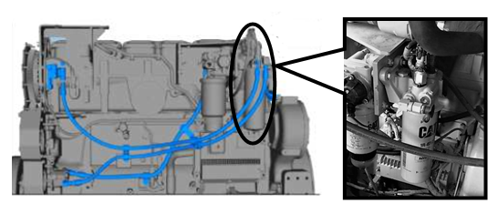 Inspect fuel filter head for security, housing cracks and fuel fitting leaks. Inspect area for signs of fuel leaks. | Defect |  | 91 | 100 | 103
CAT 24M | Mechanical Service | Engine Section | a. Check turbos for indication of damage or loose or missing fasteners. | Defect |  | 92 | 101 | 104
CAT 24M | Mechanical Service | Engine Section | b. Check turbos for indication of leaks. | CBM_DESC |  | 92b | 101b | 104b
CAT 24M | Mechanical Service | Engine Section | b1 Turbocharger (Leaks Visual Inspect) | CBM_MANUAL |  | 92b1 | 101b1 | 104b1
CAT 24M | Mechanical Service | Engine Section | Check cooling system hoses for condition and clamps for tightness. | Defect |  | 93 | 102 | 105
CAT 24M | Mechanical Service | Engine Section | Check cooling fan mounts for condition and cap screws are secure. | Defect |  | 94 | 103 | 106
CAT 24M | Mechanical Service | Engine Section | Check radiator and A/C condenser for debris (wash if necessary). | Defect |  | 95 | 104 | 107
CAT 24M | Mechanical Service | Engine Section | Check engine mounts for damage or deterioration. | Defect |  | 96 | 105 | 108
CAT 24M | Mechanical Service | Engine Section | Check transmission mounts for damage or deterioration. | Defect |  | 97 | 106 | 109
CAT 24M | Mechanical Service | Engine Section | Check fan, A/C and alternator belts for wear and cracking. | Defect |  | 98 | 107 | 110
CAT 24M | Mechanical Service | Engine Section | Check belt tensioner. | Defect |  | 99 | 108 | 111
CAT 24M | Mechanical Service | Engine Section | Check condition of crankshaft vibration dampener. | Defect |  | 100 | 109 | 112
CAT 24M | Mechanical Service | Engine Section | Check integrity and security of fire-retardant sheathing/ lagging. | Defect |  | 101 | 110 | 113
CAT 24M | Mechanical Service | Engine Section | Check condition and security of all guards, shields and covers. | Defect |  | 102 | 111 | 114
CAT 24M | Mechanical Service | Engine Section | 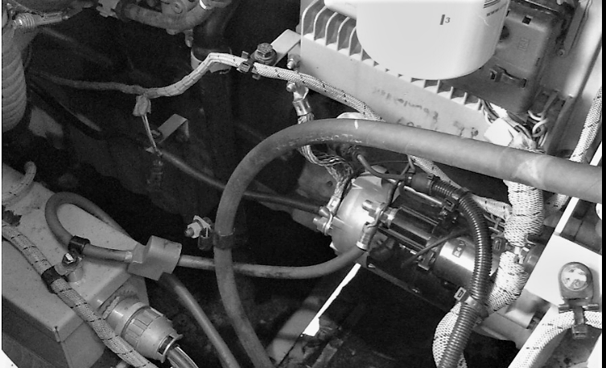 Confirm insulating covers are correctly installed on starter motor cabling. | NORMAL_DESC |  | 103 | 112 | 115
CAT 24M | Mechanical Service | Air Inlet and Exhaust System | Air Inlet and Exhaust System | Section
CAT 24M | Mechanical Service | Air Inlet and Exhaust System | Inspect air intake and exhaust systems. | Defect |  | 104 | 113 | 116
CAT 24M | Mechanical Service | Air Inlet and Exhaust System | Check induction system for leaks and clamps for tightness. | Defect |  | 105 | 114 | 117
CAT 24M | Mechanical Service | Air Inlet and Exhaust System | Check air to air aftercooler for damage, cracks and leaks. | Defect |  | 106 | 115 | 118
CAT 24M | Mechanical Service | Air Inlet and Exhaust System | Check lagging on the exhaust system is secure, with no loose sections. | Defect |  | 107 | 116 | 119
CAT 24M | Mechanical Service | Air Inlet and Exhaust System | Check exhaust system for leaks and clamps for tightness. | Defect |  | 108 | 117 | 120
CAT 24M | Mechanical Service | Air Conditioning | Air Conditioning | Section
CAT 24M | Mechanical Service | Air Conditioning | Check heater tap operation. | Defect |  | 109 | 118 | 121
CAT 24M | Mechanical Service | Air Conditioning | Check the moisture indicator on the receiver/dryer. If the indicator is pink or white, there is moisture in the system - change the receiver/dryer.<br> <b>Note:</b> If the receiver/dryer is changed, the gas level must be checked. | Defect |  | 110 | 119 | 122
CAT 24M | Mechanical Service | Air Conditioning | Check over hoses and fittings for rub points and leaks (look for wet spots/oil stains). | Defect |  | 111 | 120 | 123
...

Sheet1
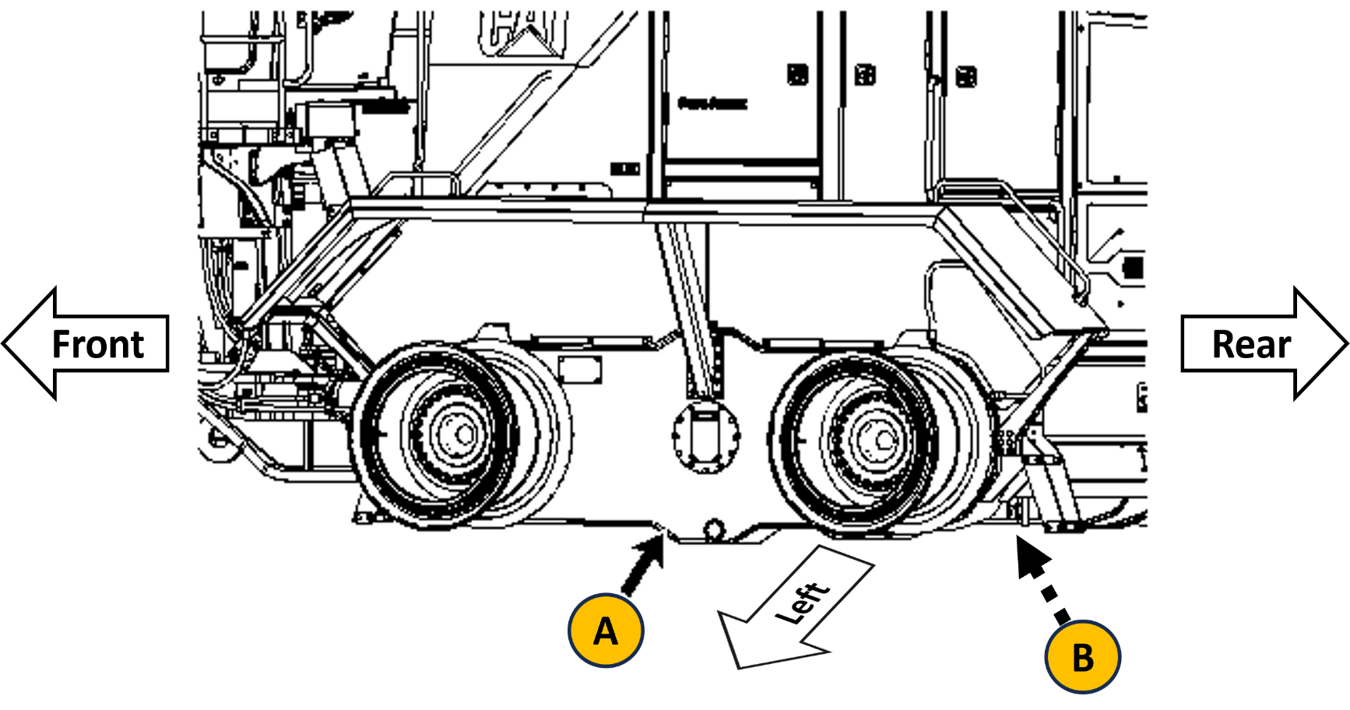
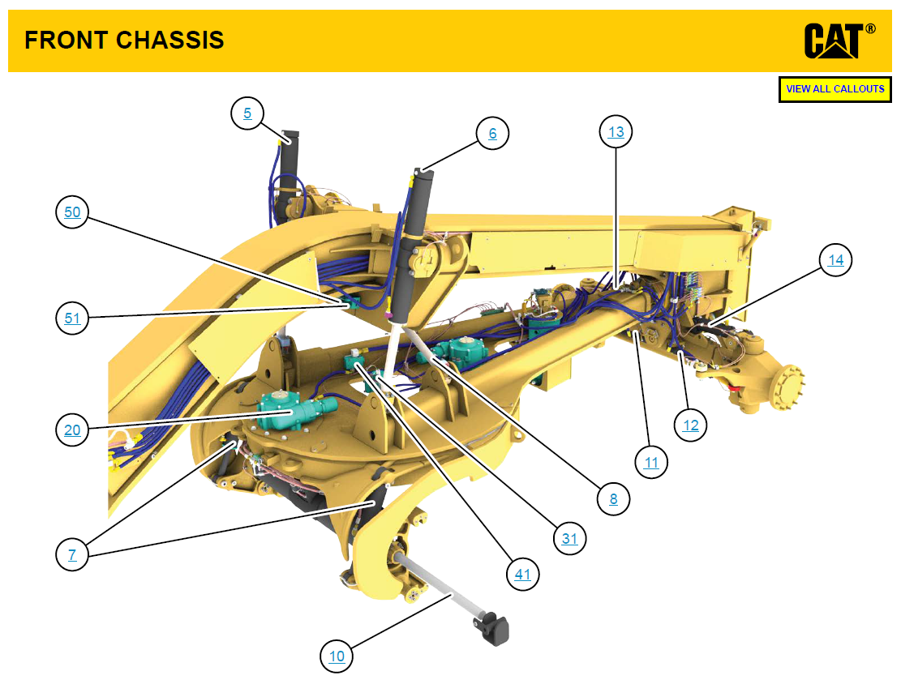
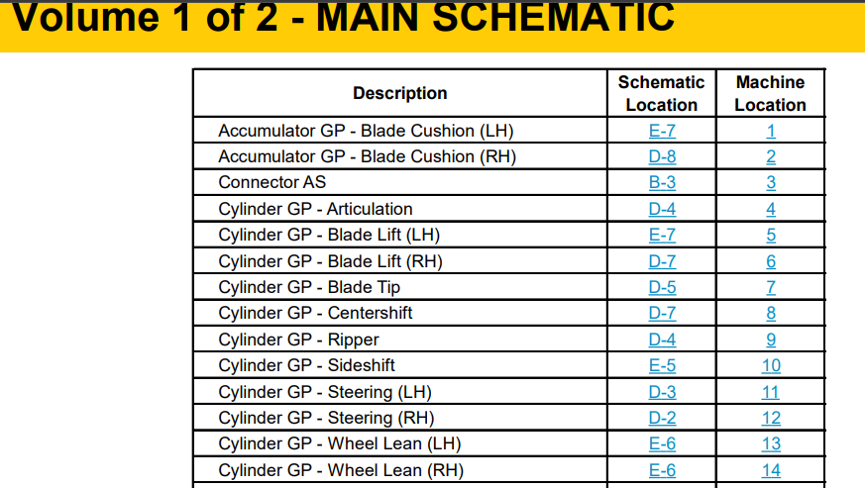
Compartment or System
Recommended Lubricants
Engine
Transmission
Differential
Hydraulic Tank
Front Wheel Bearing
Tandem Drive
Circle Drive
SAE 15W-40
SAE 30
SAE 30
SAE 30
SAE 30
SAE 30
SAE 60
Capacity (Litres)
60
87
184
142
4 each
322 each
8.5 each
Cooling System
PGXL Coolant
87

Front Frame Crack Inspection
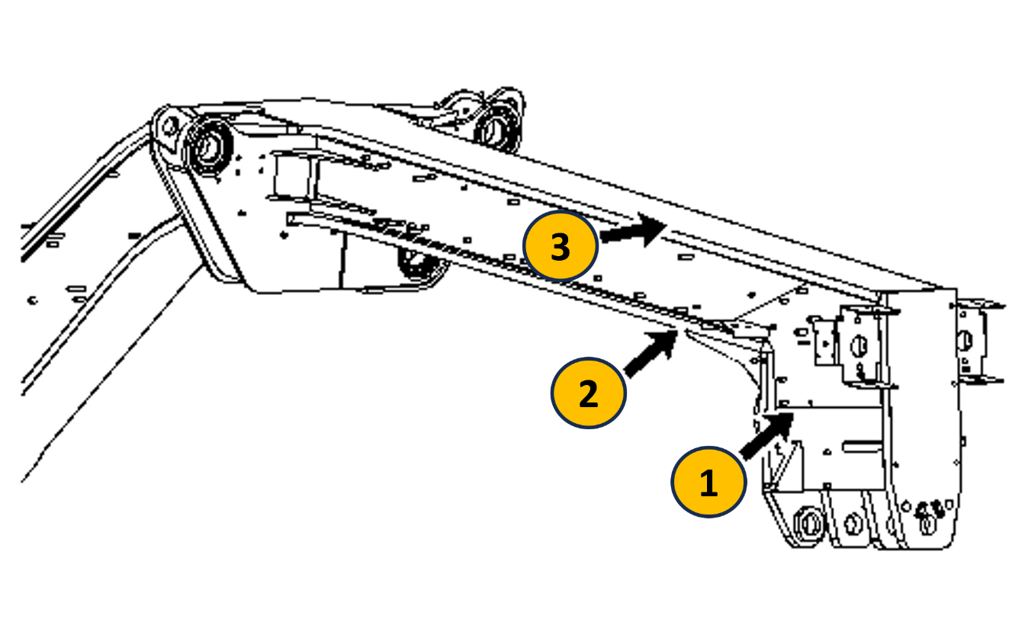

Front Hitch Crack Inspection
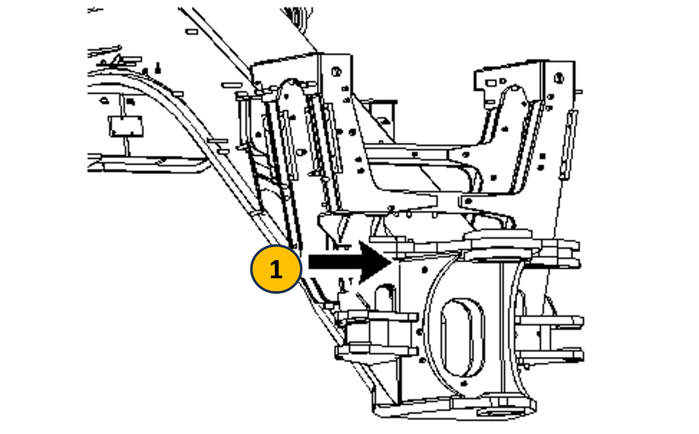

Artic Cylinder Bracket Crack Inspection
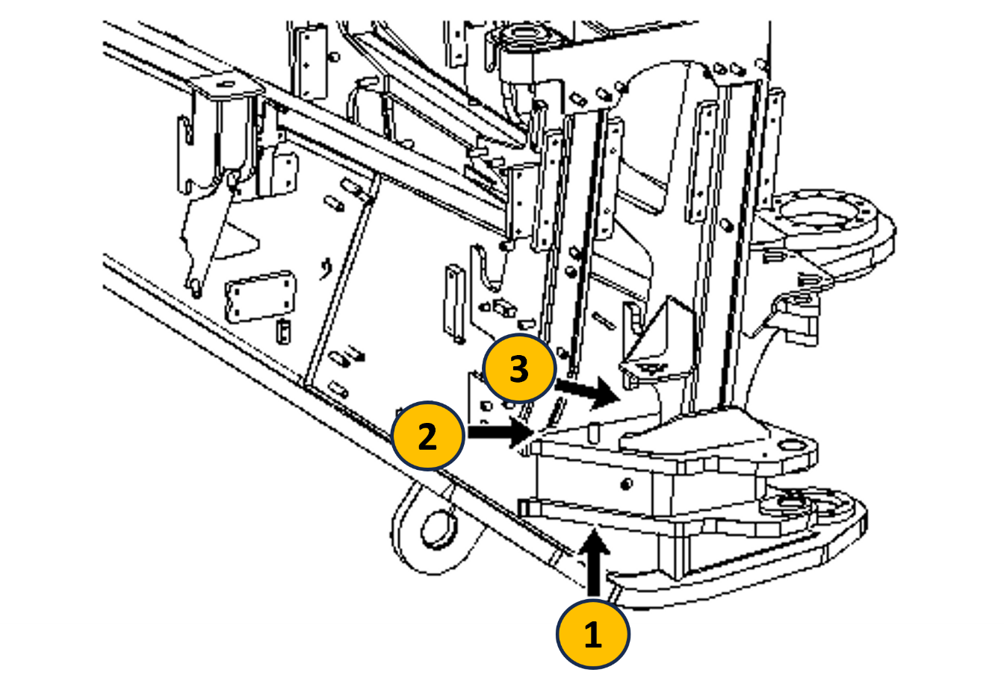

Drawbar Crack Inspection
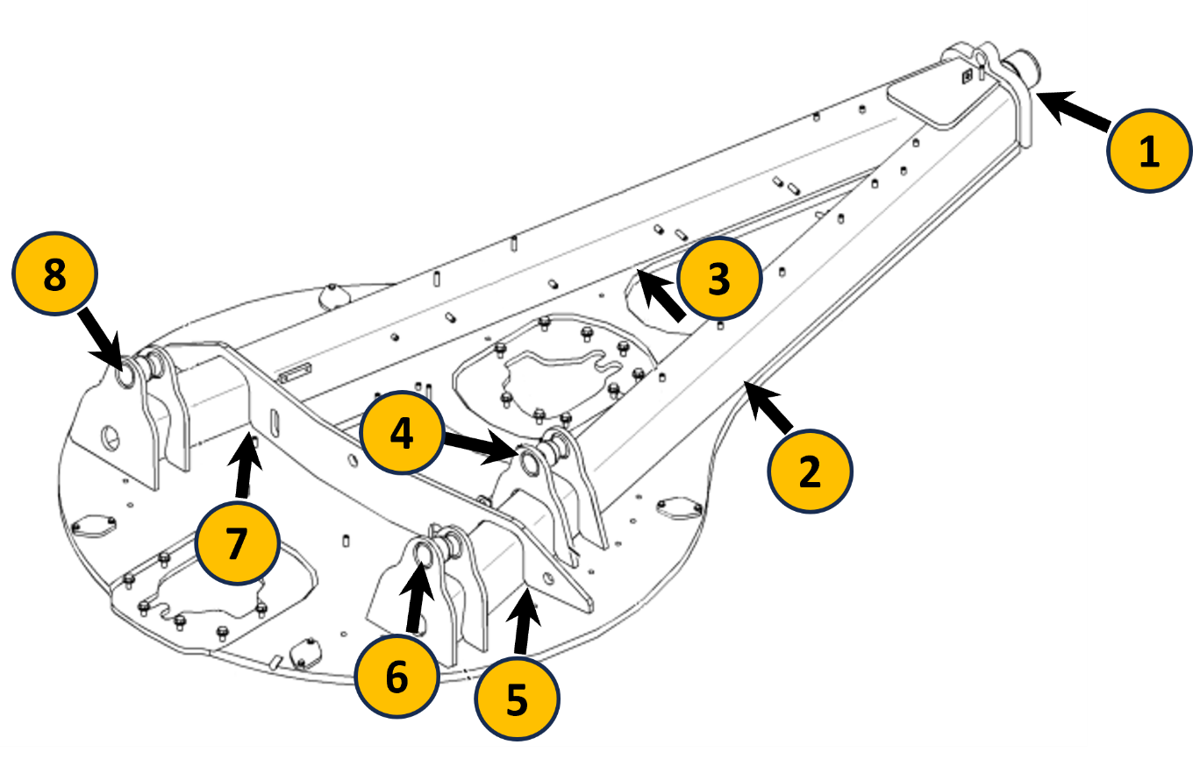

Tandem Housing Crack Inspection

Checklist
...
No | Detail | Status | Tested Date (dd.MM.yyyy) | Notes | PIC
8 | Mapping Previous Crack di md_task_crack di DInspectDB - CosmosDB | DONE |  | Step by step 1. Call api ini untuk mendapatkan mapping excel untuk crack, silahkan download dari sini [GET] https://digital-bumaau-dev-apm-001.azure-api.net/dinspect/api/master_service_sheet/generate_task_crack_mapping?ver=v1&modelId=CAT D10T2&psTypeId=2000 2. Upload file dari hasil download di atas ke API berikut [POST] https://digital-bumaau-dev-apm-001.azure-api.net/dinspect/api/task_crack/upload_task_crack/?ver=v1
9 | Mapping CBM md_parameter_ehms di AdmDB | DONE |  | Minta ke tim PA untuk mappingan nya
10 | Update kolom task_key di md_parameter_ehms based on data dari JSON | DONE |  | Berikut adalah query tarikan untuk data JSON yang bisa digunakan untuk get task_key. Mohon ubah model_id dan ps_type_id di colom "CONTAT...." menyesuaikan id dari model dan pstype yang ada di AdmDB. SELECT CONCAT('UPDATE md_parameter_ehms set task_key =\'', task.key,'\'', ' where model_id=2 and ps_type_id=3 and task_number=', LEFT(items["value"],1), ' and detail_number=\'', RIGHT(items["value"],1) , '\'') as myquery, task.key, task.category, items.key as itemskey, items.itemType, items["value"] FROM c join subGroup in c.subGroup join taskGroup in subGroup.taskGroup join task in taskGroup.task join items in task.items where c.modelId = 'CAT 18M' and c.psTypeId = '2000' and c.key <> 'GENERAL' and task.category='CBM' and task.rating = 'AUTOMATIC' and items.itemType = 'label' and RegexMatch(items["value"], "^[0-9]","")
11 | Cek untuk setiap task yang punya subtask yang punya opsi pilihan N/A (Not Applicable). | DONE |  | Pastikan memiliki field "disabledByItemKey" yang mana isinya adalah "key" dari dropwDown condition parent nya
12 | Cek reference photo chassis crack pastikan ada kolom "imageMapping" : <key_dari_gambar_chassis> | DONE
13 | Cek kolom Group Task Id di master template excel, pastikan task dan subtask key nya sama, karena ini akan berimpact ke counting task dan get task progress | DONE
14 | Update semua field "customValidation": "required" menjadi "customValidation": "" | DONE |  | Jika masih ada, maka fungsi reset tidak akan berfungsi
15 | Cek apakah ada task yang memiliki category CBM dan rating CALIBRATION. Jika ada, maka harus ditambahkan data master calibration di md_task_calibration | DONE |  | gunakan query berikut untuk check apakah memiliki task calibration atau tidak (mohon ubah modelId, psType sesuai kebutuhan) SELECT task.key FROM c join subGroup in c.subGroup join taskGroup in subGroup.taskGroup join task in taskGroup.task WHERE c.modelId like '%777F%A%' and c.psTypeId like '2000' and c.key <> 'GENERAL' and task.category='CBM' and task.rating = 'CALIBRATION' untuk content template mappingan data di md_task_calibration, disesuaikan dengan keinginan PO.
16 | Standarisasi GroupName dan Key masing-masing tab | DONE |  | GENERAL PRE_SERVICE_OPERATIONAL_CHECK LUBE_SERVICE MECHANICAL_SERVICE CHASSIS_CRACK_SERVICE ELECTRICAL_SERVICE FIRE_PREVENTION_SERVICE DEFECT_IDENTIFIED_SERVICE
17 | Mapping md_task_tandem jika ada rating “AUTOMATIC_PREVIOUS“ DInspectDB - CosmosDB | DONE
18 | Jika ada task SUSPENTION agar tambahkan data di md_task_calibration DInspectDB - CosmosDB | DONE |  | Untuk form calibration saat ini hanya terbagi dua, yaitu KOM dan CAT bisa di sesuaikan dengan brand model yang sedang di buat | 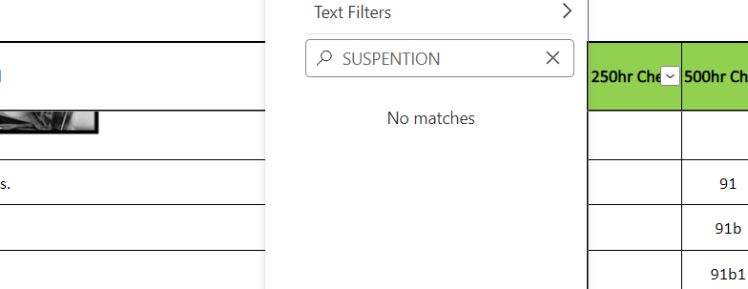 Tidak ada task suspention

